LOC4 Test 1-Channel2
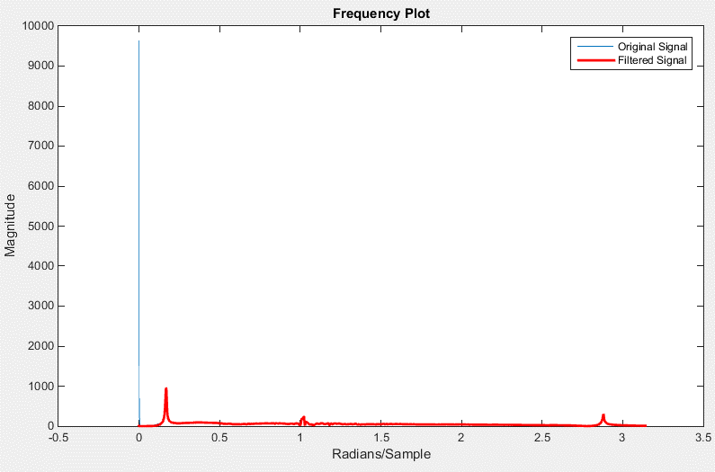
Time | Original | Filtered |  | Time | Filtered Data Shiffted
0 | -37.134045 | 0.39636179427 | 0.045312475 | 0 | -36.20716409
0.00078125001 | -27.479322 | 0.27460047059 | 0.046093725 | 0.00078125 | -26.465553939
0.0015625 | 2.7774179 | -0.064178575205 | 0.046874974 | 0.001562499 | 3.7960786836
0.0023437501 | -0.65846062 | -0.031087914547 | 0.047656223 | 0.002343748 | 0.46290077453
0.003125 | 1.6780149 | -0.063706970084 | 0.048437472 | 0.003124997 | 2.8168147713
0.00390625 | 3.7864728 | -0.094968456924 | 0.049218722 | 0.003906247 | 5.0232234842
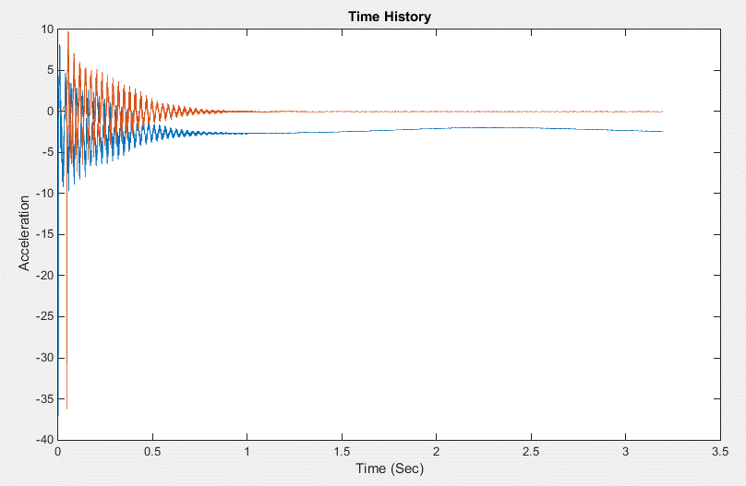
0.0046875002 | 4.3886313 | -0.1109725105 | 0.049999971 | 0.004687496 | 5.6637059379
0.0054687504 | 4.1117592 | -0.1187892595 | 0.05078122 | 0.005468745 | 5.4920691556
0.0062500006 | 6.1552248 | -0.15252026789 | 0.051562469 | 0.006249994 | 7.6239601932
0.0070312507 | 3.3563104 | -0.13408340631 | 0.052343719 | 0.007031244 | 4.9022586998
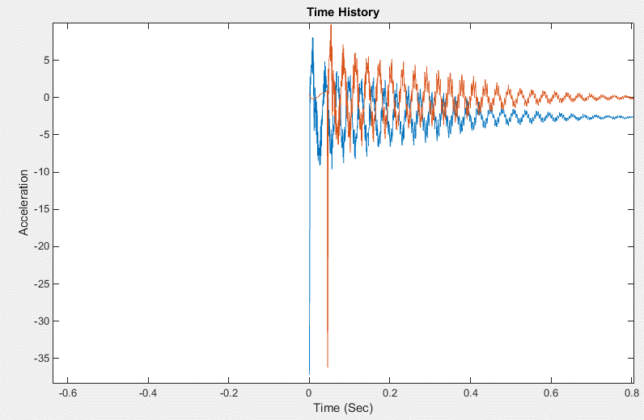
0.0078125009 | 8.1158695 | -0.1976952655 | 0.053124968 | 0.007812493 | 9.7424236444
0.0085937511 | 3.1331756 | -0.15447032497 | 0.053906217 | 0.008593742 | 4.8126830103
0.0093750013 | 7.9390869 | -0.21702713936 | 0.054687466 | 0.009374991 | 9.7434315872
0.010156251 | 0.37450472 | -0.14358174021 | 0.055468716 | 0.010156241 | 2.2474475721
0.010937502 | 4.8274388 | -0.19992201409 | 0.056249965 | 0.01093749 | 6.8341458635
0.011718752 | -4.4384985 | -0.10503087302 | 0.057031214 | 0.011718739 | -2.3917798847
0.012500002 | -1.4395657 | -0.14272931736 | 0.057812463 | 0.012499988 | 0.71742718458
0.013281252 | -4.0692387 | -0.11577659313 | 0.058593713 | 0.013281238 | -1.8696359123
0.014062502 | 1.2965599 | -0.1721613559 | 0.059374962 | 0.014062487 | 3.6109745814
0.014843753 | 0.39468792 | -0.15575123897 | 0.060156211 | 0.014843736 | 2.7783918081
0.015625002 | -2.0461628 | -0.11980793419 | 0.060937461 | 0.015624986 | 0.42693501076
0.016406251 | -0.31144494 | -0.12575613179 | 0.06171871 | 0.016406235 | 2.2266478033
0.0171875 | -5.027504 | -0.058229316637 | 0.062499959 | 0.017187484 | -2.4525638689
0.01796875 | -0.57226175 | -0.087011498887 | 0.063281208 | 0.017968733 | 2.0706164456
0.018749999 | -6.1913447 | -0.0022856979095 | 0.064062461 | 0.018749986 | -3.5258883377
0.019531248 | -1.7535349 | -0.023948285136 | 0.064843714 | 0.019531239 | 1.0023661561
0.020312497 | -7.7730579 | 0.071684380327 | 0.065624967 | 0.020312492 | -5.0129396897
0.021093747 | -4.5433574 | 0.06893589858 | 0.06640622 | 0.021093745 | -1.7191313657
0.021874996 | -8.4723978 | 0.14709253259 | 0.067187473 | 0.021874998 | -5.672143941
0.022656245 | -6.3072958 | 0.16078075512 | 0.067968726 | 0.022656251 | -3.466884402
0.023437494 | -7.4931979 | 0.21342611537 | 0.068749979 | 0.023437504 | -4.6645076616
0.024218744 | -7.6276007 | 0.25562388608 | 0.069531232 | 0.024218757 | -4.7682813247
0.024999993 | -6.7863264 | 0.28869395763 | 0.070312485 | 0.02500001 | -3.930831079
0.025781242 | -9.1533709 | 0.35739795624 | 0.071093738 | 0.025781263 | -6.3103241179
0.026562491 | -5.7935462 | 0.36251960182 | 0.071874991 | 0.026562516 | -2.9611076399
0.027343741 | -9.06991 | 0.43975637201 | 0.072656244 | 0.027343769 | -6.283851361
0.02812499 | -3.9049952 | 0.42462964036 | 0.073437497 | 0.028125022 | -1.1117185171
0.028906239 | -7.8183208 | 0.50728563841 | 0.07421875 | 0.028906275 | -5.0736863969
0.029687488 | -2.9294753 | 0.49210834637 | 0.075000003 | 0.029687528 | -0.16893329625
0.030468738 | -6.4667134 | 0.56705014028 | 0.075781256 | 0.030468781 | -3.7740125826
0.031249987 | -2.3842728 | 0.55623752508 | 0.076562509 | 0.031250034 | 0.30291218733
0.032031238 | -3.6612084 | 0.60194183513 | 0.077343762 | 0.032031287 | -1.0451101728
0.032812487 | -1.3496102 | 0.60575482407 | 0.078125015 | 0.03281254 | 1.2559688809
0.033593737 | -0.38425156 | 0.6222006195 | 0.078906268 | 0.033593793 | 2.1816940162
0.034374986 | -1.0123924 | 0.65333856473 | 0.079687521 | 0.034375046 | 1.5328718927
0.035156235 | 1.7599084 | 0.64526053967 | 0.080468774 | 0.035156299 | 4.2732419812
0.035937484 | -0.90717733 | 0.69431060642 | 0.081250027 | 0.035937552 | 1.55161434
0.036718734 | 3.5903325 | 0.6635116436 | 0.08203128 | 0.036718805 | 6.0286744269
0.037499983 | 0.093653701 | 0.71890223842 | 0.082812533 | 0.037500058 | 2.4746047153
0.038281232 | 4.757103 | 0.68415918266 | 0.083593786 | 0.038281311 | 7.1487310327
0.039062481 | 0.74510521 | 0.74413437596 | 0.084375039 | 0.039062564 | 3.0874878503
0.039843731 | 4.1558151 | 0.72293577955 | 0.085156292 | 0.039843817 | 6.5042277364
0.04062498 | 0.9168579 | 0.77520433513 | 0.085937545 | 0.04062507 | 3.1996801567
0.041406229 | 2.8887928 | 0.77165502065 | 0.086718798 | 0.041406323 | 5.1697126677
0.042187478 | 1.5946981 | 0.8063459447 | 0.087500051 | 0.042187576 | 3.8380979005
0.042968728 | 1.3139724 | 0.83215988695 | 0.088281304 | 0.042968829 | 3.5660687659
0.043749977 | 1.7204725 | 0.85400426459 | 0.089062557 | 0.043750082 | 3.9580240127
0.044531226 | -1.2303683 | 0.91588294886 | 0.08984381 | 0.044531335 | 0.98725333662
0.045312475 | 0.86770868 | -36.20716409 | 0.090625063 | 0.045312588 | 3.4878023389
0.046093725 | -3.5772734 | -26.465553939 | 0.091406316 | 0.046093841 | -1.0824064195
0.046874974 | -0.062140167 | 3.7960786836 | 0.092187569 | 0.046875094 | 2.1281166769
0.047656223 | -5.026248 | 0.46290077453 | 0.092968822 | 0.047656347 | -2.8241507837
0.048437472 | -1.7143728 | 2.8168147713 | 0.093750075 | 0.0484376 | 0.50324912837
0.049218722 | -5.2538915 | 5.0232234842 | 0.094531327 | 0.049218852 | -3.0881285265
0.049999971 | -2.8667204 | 5.6637059379 | 0.09531258 | 0.050000105 | -0.67891118528
0.05078122 | -6.1124234 | 5.4920691556 | 0.096093833 | 0.050781358 | -3.9456889391
0.051562469 | -7.4640379 | 7.6239601932 | 0.096875086 | 0.051562611 | -5.2907758552
0.052343719 | -7.4241037 | 4.9022586998 | 0.097656339 | 0.052343864 | -5.2154099776
0.053124968 | -7.3084893 | 9.7424236444 | 0.098437592 | 0.053125117 | -5.127667999
0.053906217 | -4.2884216 | 4.8126830103 | 0.099218845 | 0.05390637 | -2.0363993416
0.054687466 | -7.6111031 | 9.7434315872 | 0.1000001 | 0.054687625 | -5.414347037
0.055468716 | -5.6532645 | 2.2474475721 | 0.10078135 | 0.055468875 | -3.3502884391
0.056249965 | -9.5974836 | 6.8341458635 | 0.1015626 | 0.056250125 | -7.354466307
0.057031214 | -4.9508123 | -2.3917798847 | 0.10234386 | 0.057031385 | -2.560402403
0.057812463 | -6.734395 | 0.71742718458 | 0.10312511 | 0.057812635 | -4.3846518426
0.058593713 | -2.4463334 | -1.8696359123 | 0.10390636 | 0.058593885 | -0.021081328053
0.059374962 | -4.9600134 | 3.6109745814 | 0.10468762 | 0.059375145 | -2.6138987609
0.060156211 | -3.6639082 | 2.7783918081 | 0.10546887 | 0.060156395 | -1.281647569
0.060937461 | -4.5888295 | 0.42693501076 | 0.10625012 | 0.060937645 | -2.1940630166
0.06171871 | -3.760252 | 2.2266478033 | 0.10703138 | 0.061718905 | -1.3630303275
0.062499959 | -0.80770808 | -2.4525638689 | 0.10781263 | 0.062500155 | 1.6478451734
0.063281208 | -1.2392663 | 2.0706164456 | 0.10859388 | 0.063281405 | 1.1721947627
0.064062461 | 1.8853337 | -3.5258883377 | 0.10937513 | 0.064062655 | 4.370182809
0.064843714 | -1.8287617 | 1.0023661561 | 0.11015639 | 0.064843915 | 0.58328897787
0.065624967 | 1.6069338 | -5.0129396897 | 0.11093764 | 0.065625165 | 4.10132886
0.06640622 | -1.2337073 | -1.7191313657 | 0.11171889 | 0.066406415 | 1.2015514658
0.067187473 | 3.3537467 | -5.672143941 | 0.11250015 | 0.067187675 | 5.8678355233
0.067968726 | 1.4113792 | -3.466884402 | 0.1132814 | 0.067968925 | 3.8804582504
0.068749979 | 3.4912531 | -4.6645076616 | 0.11406265 | 0.068750175 | 5.9922874267
0.069531232 | 1.0150392 | -4.7682813247 | 0.1148439 | 0.069531425 | 3.4820717504
0.070312485 | 0.99311084 | -3.930831079 | 0.11562516 | 0.070312685 | 3.457594238
0.071093738 | 1.1522278 | -6.3103241179 | 0.11640641 | 0.071093935 | 3.6301547705
0.071874991 | 0.59273458 | -2.9611076399 | 0.11718766 | 0.071875185 | 3.0414009089
0.072656244 | 2.8251152 | -6.283851361 | 0.11796892 | 0.072656445 | 5.312369374
0.073437497 | -0.284805 | -1.1117185171 | 0.11875017 | 0.073437695 | 2.1303103683
0.07421875 | 1.2986437 | -5.0736863969 | 0.11953142 | 0.074218945 | 3.7607707652
0.075000003 | -3.371388 | -0.16893329625 | 0.12031268 | 0.075000205 | -0.99141767683
0.075781256 | -0.6644634 | -3.7740125826 | 0.12109393 | 0.075781455 | 1.7800814326
0.076562509 | -3.8022723 | 0.30291218733 | 0.12187518 | 0.076562705 | -1.4228408786
0.077343762 | -1.054655 | -1.0451101728 | 0.12265643 | 0.077343955 | 1.3687392287
0.078125015 | -3.8919733 | 1.2559688809 | 0.12343769 | 0.078125215 | -1.5216901994
0.078906268 | -4.0854659 | 2.1816940162 | 0.12421894 | 0.078906465 | -1.7130340497
0.079687521 | -5.9706135 | 1.5328718927 | 0.12500019 | 0.079687715 | -3.6128473227
0.080468774 | -6.7184639 | 4.2732419812 | 0.12578145 | 0.080468975 | -4.3792813876
0.081250027 | -5.209394 | 1.55161434 | 0.1265627 | 0.081250225 | -2.8362998445
0.08203128 | -6.577589 | 6.0286744269 | 0.12734395 | 0.082031475 | -4.2499923076
0.082812533 | -4.3236103 | 2.4746047153 | 0.12812521 | 0.082812735 | -1.9471322448
0.083593786 | -8.0358286 | 7.1487310327 | 0.12890646 | 0.083593985 | -5.7288477047
0.084375039 | -6.0324221 | 3.0874878503 | 0.12968771 | 0.084375235 | -3.6658211348
0.085156292 | -8.7934866 | 6.5042277364 | 0.13046896 | 0.085156485 | -6.4842620586
0.085937545 | -4.6950593 | 3.1996801567 | 0.13125022 | 0.085937745 | -2.3181609783
0.086718798 | -6.0872974 | 5.1697126677 | 0.13203147 | 0.086718995 | -3.7499944849
0.087500051 | -3.9534669 | 3.8380979005 | 0.13281272 | 0.087500245 | -1.578041554
0.088281304 | -5.8064919 | 3.5660687659 | 0.13359398 | 0.088281505 | -3.4532207654
0.089062557 | -5.3478413 | 3.9580240127 | 0.13437523 | 0.089062755 | -2.9896563545
0.08984381 | -4.190033 | 0.98725333662 | 0.13515648 | 0.089844005 | -1.809872296
0.090625063 | -3.5503635 | 3.4878023389 | 0.13593774 | 0.090625265 | -1.1848026793
0.091406316 | -0.47552592 | -1.0824064195 | 0.13671899 | 0.091406515 | 1.9469474905
0.092187569 | -2.1275177 | 2.1281166769 | 0.13750024 | 0.092187765 | 0.24689043553
0.092968822 | 0.62908137 | -2.8241507837 | 0.13828149 | 0.092969015 | 3.06842171
0.093750075 | -2.4236178 | 0.50324912837 | 0.13906275 | 0.093750275 | -0.050630982019
0.094531327 | 1.0448442 | -3.0881285265 | 0.139844 | 0.094531525 | 3.4666491889
0.09531258 | -0.57783842 | -0.67891118528 | 0.14062525 | 0.095312775 | 1.7926999193
0.096093833 | 2.7761045 | -3.9456889391 | 0.14140651 | 0.096094035 | 5.2148420983
0.096875086 | 1.3675491 | -5.2907758552 | 0.14218776 | 0.096875285 | 3.8105922349
0.097656339 | 2.1925206 | -5.2154099776 | 0.14296901 | 0.097656535 | 4.6450288588
0.098437592 | 1.1973819 | -5.127667999 | 0.14375027 | 0.098437795 | 3.615423772
0.099218845 | 0.80590868 | -2.0363993416 | 0.14453152 | 0.099219045 | 3.1870187967
0.1000001 | 2.1273782 | -5.414347037 | 0.14531277 | 0.100000295 | 4.5456447034
0.10078135 | 0.98049903 | -3.3502884391 | 0.14609402 | 0.100781545 | 3.3874085894
0.1015626 | 2.9503403 | -7.354466307 | 0.14687528 | 0.101562805 | 5.4145725364
0.10234386 | -0.42414111 | -2.560402403 | 0.14765653 | 0.102344055 | 1.970354491
0.10312511 | 1.0803903 | -4.3846518426 | 0.14843778 | 0.103125305 | 3.4988476064
0.10390636 | -2.6154149 | -0.021081328053 | 0.14921904 | 0.103906565 | -0.27102305062
0.10468762 | -0.38180152 | -2.6138987609 | 0.15000029 | 0.104687815 | 2.0206194167
0.10546887 | -2.660728 | -1.281647569 | 0.15078154 | 0.105469065 | -0.27670861029
0.10625012 | -1.3100175 | -2.1940630166 | 0.1515628 | 0.106250325 | 1.117357117
0.10703138 | -3.3270721 | -1.3630303275 | 0.15234405 | 0.107031575 | -0.92622059898
0.10781263 | -4.0969696 | 1.6478451734 | 0.1531253 | 0.107812825 | -1.7239293392
0.10859388 | -4.7705383 | 1.1721947627 | 0.15390655 | 0.108594075 | -2.404173419
0.10937513 | -6.1997433 | 4.370182809 | 0.15468781 | 0.109375335 | -3.8538958684
0.11015639 | -4.3262563 | 0.58328897787 | 0.15546906 | 0.110156585 | -1.9161458036
0.11093764 | -6.1893606 | 4.10132886 | 0.15625031 | 0.110937835 | -3.8090668042
0.11171889 | -4.315906 | 1.2015514658 | 0.15703157 | 0.111719095 | -1.8870955724
0.11250015 | -7.9204974 | 5.8678355233 | 0.15781282 | 0.112500345 | -5.5623492991
0.1132814 | -6.2691216 | 3.8804582504 | 0.15859407 | 0.113281595 | -3.8732920353
0.11406265 | -8.2973156 | 5.9922874267 | 0.15937532 | 0.114062845 | -5.9349923747
0.1148439 | -5.2451353 | 3.4820717504 | 0.16015658 | 0.114844105 | -2.8169809283
0.11562516 | -5.9542994 | 3.457594238 | 0.16093783 | 0.115625355 | -3.5298110016
0.11640641 | -4.8095698 | 3.6301547705 | 0.16171908 | 0.116406605 | -2.366705105
0.11718766 | -5.4244714 | 3.0414009089 | 0.16250034 | 0.117187865 | -2.9946954433
0.11796892 | -5.5515642 | 5.312369374 | 0.16328159 | 0.117969115 | -3.1454072153
0.11875017 | -3.9208498 | 2.1303103683 | 0.16406284 | 0.118750365 | -1.4802231527
0.11953142 | -4.0310001 | 3.7607707652 | 0.1648441 | 0.119531625 | -1.5979384428
0.12031268 | -1.0198878 | -0.99141767683 | 0.16562535 | 0.120312875 | 1.482788489
0.12109393 | -2.9569831 | 1.7800814326 | 0.1664066 | 0.121094125 | -0.49663384089
0.12187518 | -0.60567653 | -1.4228408786 | 0.16718785 | 0.121875375 | 1.894067107
0.12265643 | -2.8948328 | 1.3687392287 | 0.16796911 | 0.122656635 | -0.45671699901
0.12343769 | 0.1266582 | -1.5216901994 | 0.16875036 | 0.123437885 | 2.6109125543
0.12421894 | -0.57314211 | -1.7130340497 | 0.16953161 | 0.124219135 | 1.8951220612
0.12500019 | 1.8769996 | -3.6128473227 | 0.17031287 | 0.125000395 | 4.3836826252
0.12578145 | 1.2494516 | -4.3792813876 | 0.17109412 | 0.125781645 | 3.7455705616
0.1265627 | 1.1994307 | -2.8362998445 | 0.17187537 | 0.126562895 | 3.6837844916
0.12734395 | 1.1545452 | -4.2499923076 | 0.17265663 | 0.127344155 | 3.6376368602
0.12812521 | 0.36681408 | -1.9471322448 | 0.17343788 | 0.128125405 | 2.8136609157
0.12890646 | 2.1683204 | -5.7288477047 | 0.17421913 | 0.128906655 | 4.6493621624
0.12968771 | 0.74106699 | -3.6658211348 | 0.17500038 | 0.129687905 | 3.1937542146
0.13046896 | 2.5175521 | -6.4842620586 | 0.17578164 | 0.130469165 | 5.0135388045
0.13125022 | -0.62728608 | -2.3181609783 | 0.17656289 | 0.131250415 | 1.8041087249
0.13203147 | 0.72275358 | -3.7499944849 | 0.17734414 | 0.132031665 | 3.17306303
0.13281272 | -1.9047589 | -1.578041554 | 0.1781254 | 0.132812925 | 0.49018364596
0.13359398 | -0.10120259 | -3.4532207654 | 0.17890665 | 0.133594175 | 2.3277099407
0.13437523 | -1.5371155 | -2.9896563545 | 0.1796879 | 0.134375425 | 0.87604982984
0.13515648 | -1.2175716 | -1.809872296 | 0.18046916 | 0.135156685 | 1.2070855913
0.13593774 | -2.6660604 | -1.1848026793 | 0.18125041 | 0.135937935 | -0.25700282524
0.13671899 | -4.1655378 | 1.9469474905 | 0.18203166 | 0.136719185 | -1.7900626878
0.13750024 | -4.0510702 | 0.24689043553 | 0.18281291 | 0.137500435 | -1.6679032747
0.13828149 | -5.8003402 | 3.06842171 | 0.18359417 | 0.138281695 | -3.4509546003
0.13906275 | -3.7586863 | -0.050630982019 | 0.18437542 | 0.139062945 | -1.3579766384
0.139844 | -5.3575091 | 3.4666491889 | 0.18515667 | 0.139844195 | -2.9907439803
0.14062525 | -3.6557131 | 1.7926999193 | 0.18593793 | 0.140625455 | -1.2489714807
0.14140651 | -7.2089515 | 5.2148420983 | 0.18671918 | 0.141406705 | -4.8565163457
0.14218776 | -6.6951771 | 3.8105922349 | 0.18750043 | 0.142187955 | -4.3139954244
0.14296901 | -7.9274817 | 4.6450288588 | 0.18828169 | 0.142969215 | -5.5696083116
0.14375027 | -5.0711389 | 3.615423772 | 0.18906294 | 0.143750465 | -2.6738324687
0.14453152 | -4.7781534 | 3.1870187967 | 0.18984419 | 0.144531715 | -2.3726847324
0.14531277 | -4.7904878 | 4.5456447034 | 0.19062544 | 0.145312965 | -2.3780575922
0.14609402 | -5.5076394 | 3.3874085894 | 0.1914067 | 0.146094225 | -3.0898767141
0.14687528 | -6.4664569 | 5.4145725364 | 0.19218795 | 0.146875475 | -4.0730720815
0.14765653 | -4.2497005 | 1.970354491 | 0.1929692 | 0.147656725 | -1.8179355583
0.14843778 | -4.0609999 | 3.4988476064 | 0.19375046 | 0.148437985 | -1.6438889567
0.14921904 | -0.85006577 | -0.27102305062 | 0.19453171 | 0.149219235 | 1.6317536083
0.15000029 | -2.8428965 | 2.0206194167 | 0.19531296 | 0.150000485 | -0.39080317619
0.15078154 | -1.5636926 | -0.27670861029 | 0.19609421 | 0.150781735 | 0.92610578025
0.1515628 | -3.6698177 | 1.117357117 | 0.19687547 | 0.151562995 | -1.2194383039
0.15234405 | -1.0694594 | -0.92622059898 | 0.19765672 | 0.152344245 | 1.4144805977
0.1531253 | -0.45489565 | -1.7239293392 | 0.19843797 | 0.153125495 | 2.0208549901
0.15390655 | 1.6193357 | -2.404173419 | 0.19921923 | 0.153906755 | 4.1176672658
0.15468781 | 1.3664254 | -3.8538958684 | 0.20000048 | 0.154688005 | 3.8759009534
0.15546906 | 0.14179859 | -1.9161458036 | 0.20078173 | 0.155469255 | 2.6383974821
0.15625031 | 0.30938137 | -3.8090668042 | 0.20156299 | 0.156250515 | 2.8181269713
0.15703157 | -0.50246316 | -1.8870955724 | 0.20234424 | 0.157031765 | 1.9687085397
0.15781282 | 2.0781405 | -5.5623492991 | 0.20312549 | 0.157813015 | 4.5834832784
0.15859407 | 1.1552997 | -3.8732920353 | 0.20390674 | 0.158594265 | 3.6340925448
0.15937532 | 2.6131382 | -5.9349923747 | 0.204688 | 0.159375525 | 5.1336123976
0.16015658 | -0.61339396 | -2.8169809283 | 0.20546925 | 0.160156775 | 1.8597989068
0.16093783 | -0.064724058 | -3.5298110016 | 0.2062505 | 0.160938025 | 2.4217316787
0.16171908 | -1.8672836 | -2.366705105 | 0.20703176 | 0.161719285 | 0.5771918609
0.16250034 | -0.19181786 | -2.9946954433 | 0.20781301 | 0.162500535 | 2.2657827662
0.16328159 | -0.4772875 | -3.1454072153 | 0.20859426 | 0.163281785 | 1.9734047609
0.16406284 | -0.853755 | -1.4802231527 | 0.20937552 | 0.164063045 | 1.6001809017
0.1648441 | -2.1984577 | -1.5979384428 | 0.21015677 | 0.164844295 | 0.25590931252
0.16562535 | -4.4598141 | 1.482788489 | 0.21093802 | 0.165625545 | -2.0423109075
0.1664066 | -3.9328406 | -0.49663384089 | 0.21171927 | 0.166406795 | -1.5020205276
0.16718785 | -5.1061597 | 1.894067107 | 0.21250053 | 0.167188055 | -2.7125625111
0.16796911 | -2.9484568 | -0.45671699901 | 0.21328178 | 0.167969305 | -0.5131378087
0.16875036 | -5.1059337 | 2.6109125543 | 0.21406303 | 0.168750555 | -2.7005758748
0.16953161 | -4.2092271 | 1.8951220612 | 0.21484429 | 0.169531815 | -1.7720565789
0.17031287 | -6.5824432 | 4.3836826252 | 0.21562554 | 0.170313065 | -4.1871549373
0.17109412 | -5.5581713 | 3.7455705616 | 0.21640679 | 0.171094315 | -3.1471728385
0.17187537 | -6.6549463 | 3.6837844916 | 0.21718805 | 0.171875575 | -4.2587443067
0.17265663 | -5.7876287 | 3.6376368602 | 0.2179693 | 0.172656825 | -3.3712129045
0.17343788 | -5.2650309 | 2.8136609157 | 0.21875055 | 0.173438075 | -2.8330355595
0.17421913 | -5.0970397 | 4.6493621624 | 0.2195318 | 0.174219325 | -2.6667009378
0.17500038 | -4.7863221 | 3.1937542146 | 0.22031306 | 0.175000585 | -2.3414061797
0.17578164 | -6.1683006 | 5.0135388045 | 0.22109431 | 0.175781835 | -3.7509213479
0.17656289 | -4.4509816 | 1.8041087249 | 0.22187556 | 0.176563085 | -1.9976504543
0.17734414 | -4.8025174 | 3.17306303 | 0.22265682 | 0.177344345 | -2.3677907125
0.1781254 | -1.7413263 | 0.49018364596 | 0.22343807 | 0.178125595 | 0.74615926949
0.17890665 | -2.7317243 | 2.3277099407 | 0.22421932 | 0.178906845 | -0.26678554624
0.1796879 | -1.3511122 | 0.87604982984 | 0.22500058 | 0.179688105 | 1.1433390506
0.18046916 | -3.1080701 | 1.2070855913 | 0.22578183 | 0.180469355 | -0.63958266559
0.18125041 | -1.8288033 | -0.25700282524 | 0.22656308 | 0.181250605 | 0.66081833045
0.18203166 | -1.3097697 | -1.7900626878 | 0.22734433 | 0.182031855 | 1.1804449305
0.18281291 | 0.22396198 | -1.6679032747 | 0.22812559 | 0.182813115 | 2.7230081687
0.18359417 | 1.2060367 | -3.4509546003 | 0.22890684 | 0.183594365 | 3.7268776736
0.18437542 | 0.23816888 | -1.3579766384 | 0.22968809 | 0.184375615 | 2.7438092205
0.18515667 | 0.53671718 | -2.9907439803 | 0.23046935 | 0.185156875 | 3.0559518013
0.18593793 | -0.90257913 | -1.2489714807 | 0.2312506 | 0.185938125 | 1.5752508755
0.18671918 | 1.2625641 | -4.8565163457 | 0.23203185 | 0.186719375 | 3.7732113178
0.18750043 | 0.5395484 | -4.3139954244 | 0.2328131 | 0.187500625 | 3.0344055687
0.18828169 | 2.321584 | -5.5696083116 | 0.23359436 | 0.188281885 | 4.8520866499
0.18906294 | 0.11316097 | -2.6738324687 | 0.23437561 | 0.189063135 | 2.6036261109
0.18984419 | 0.074283458 | -2.3726847324 | 0.23515686 | 0.189844385 | 2.5656579119
0.19062544 | -1.6997956 | -2.3780575922 | 0.23593812 | 0.190625645 | 0.76250180008
0.1914067 | -0.96314591 | -3.0898767141 | 0.23671937 | 0.191406895 | 1.5064650973
0.19218795 | -0.71153444 | -4.0730720815 | 0.23750062 | 0.192188145 | 1.7637507541
0.1929692 | -0.91870826 | -1.8179355583 | 0.23828188 | 0.192969405 | 1.5506938644
0.19375046 | -1.2133256 | -1.6438889567 | 0.23906313 | 0.193750655 | 1.2607746923
0.19453171 | -3.6585546 | 1.6317536083 | 0.23984438 | 0.194531905 | -1.2255314815
0.19531296 | -3.4796348 | -0.39080317619 | 0.24062563 | 0.195313155 | -1.0322824626
0.19609421 | -5.0447431 | 0.92610578025 | 0.24140689 | 0.196094415 | -2.6280319725
0.19687547 | -3.2116907 | -1.2194383039 | 0.24218814 | 0.196875665 | -0.75533897618
0.19765672 | -4.7104778 | 1.4144805977 | 0.24296939 | 0.197656915 | -2.2781079024
0.19843797 | -3.6183028 | 2.0208549901 | 0.24375065 | 0.198438175 | -1.1669077911
0.19921923 | -5.4367709 | 4.1176672658 | 0.2445319 | 0.199219425 | -3.0193921249
0.20000048 | -5.4423728 | 3.8759009534 | 0.24531315 | 0.200000675 | -3.0177925582
0.20078173 | -6.5656109 | 2.6383974821 | 0.24609441 | 0.200781935 | -4.1428603344
0.20156299 | -6.2284613 | 2.8181269713 | 0.24687566 | 0.201563185 | -3.7930366627
0.20234424 | -5.0106483 | 1.9687085397 | 0.24765691 | 0.202344435 | -2.5542332238
0.20312549 | -4.7657747 | 4.5834832784 | 0.24843816 | 0.203125685 | -2.320761424
0.20390674 | -4.105783 | 3.6340925448 | 0.24921942 | 0.203906945 | -1.6461178499
0.204688 | -5.95538 | 5.1336123976 | 0.25000066 | 0.204688185 | -3.5233277861
0.20546925 | -4.7012167 | 1.8597989068 | 0.25078189 | 0.205469415 | -2.2334342415
0.2062505 | -5.1753168 | 2.4217316787 | 0.25156313 | 0.206250655 | -2.7199494681
0.20703176 | -2.331326 | 0.5771918609 | 0.25234437 | 0.207031895 | 0.16870356824
0.20781301 | -2.6553433 | 2.2657827662 | 0.25312561 | 0.207813135 | -0.17303373251
0.20859426 | -1.5310374 | 1.9734047609 | 0.25390685 | 0.208594375 | 0.96856545811
0.20937552 | -3.0612028 | 1.6001809017 | 0.25468808 | 0.209375605 | -0.57749120474
0.21015677 | -2.5770679 | 0.25590931252 | 0.25546932 | 0.210156845 | -0.079283787672
0.21093802 | -1.7794014 | -2.0423109075 | 0.25625056 | 0.210938085 | 0.73012431837
0.21171927 | -0.56626093 | -1.5020205276 | 0.2570318 | 0.211719325 | 1.944615893
0.21250053 | 1.055488 | -2.7125625111 | 0.25781304 | 0.212500565 | 3.5863872392
0.21328178 | 0.12116866 | -0.5131378087 | 0.25859427 | 0.213281795 | 2.6330539085
0.21406303 | 0.41141006 | -2.7005758748 | 0.25937551 | 0.214063035 | 2.9461999246
0.21484429 | -1.3079307 | -1.7720565789 | 0.26015675 | 0.214844275 | 1.1921041468
0.21562554 | 0.51381969 | -4.1871549373 | 0.26093799 | 0.215625515 | 3.0326897825
0.21640679 | 0.10010234 | -3.1471728385 | 0.26171923 | 0.216406755 | 2.5959935181
0.21718805 | 1.8906939 | -4.2587443067 | 0.26250046 | 0.217187985 | 4.4198324258
0.2179693 | 0.42249516 | -3.3712129045 | 0.2632817 | 0.217969225 | 2.9364017291
0.21875055 | 0.037346847 | -2.8330355595 | 0.26406294 | 0.218750465 | 2.5486490596
0.2195318 | -1.4855074 | -2.6667009378 | 0.26484418 | 0.219531705 | 0.99705744141
0.22031306 | -1.3715552 | -2.3414061797 | 0.26562542 | 0.220312945 | 1.1002609791
0.22109431 | -0.67868161 | -3.7509213479 | 0.26640666 | 0.221094185 | 1.8046644007
0.22187556 | -0.91829675 | -1.9976504543 | 0.26718789 | 0.221875415 | 1.5610097411
0.22265682 | -0.70504177 | -2.3677907125 | 0.26796913 | 0.222656655 | 1.7891968816
0.22343807 | -3.1334925 | 0.74615926949 | 0.26875037 | 0.223437895 | -0.67993251862
0.22421932 | -3.1996534 | -0.26678554624 | 0.26953161 | 0.224219135 | -0.74151508184
0.22500058 | -4.8860297 | 1.1433390506 | 0.27031285 | 0.225000375 | -2.4631064814
0.22578183 | -3.2793558 | -0.63958266559 | 0.27109408 | 0.225781605 | -0.82359769723
0.22656308 | -4.2192521 | 0.66081833045 | 0.27187532 | 0.226562845 | -1.7725504774
0.22734433 | -3.1982067 | 1.1804449305 | 0.27265656 | 0.227344085 | -0.73139770339
0.22812559 | -4.5390215 | 2.7230081687 | 0.2734378 | 0.228125325 | -2.096299659
0.22890684 | -5.2067733 | 3.7268776736 | 0.27421904 | 0.228906565 | -2.7734881636
0.22968809 | -6.3043118 | 2.7438092205 | 0.27500027 | 0.229687795 | -3.8747794499
0.23046935 | -6.4022183 | 3.0559518013 | 0.27578151 | 0.230469035 | -3.9671740048
0.2312506 | -4.7067299 | 1.5752508755 | 0.27656275 | 0.231250275 | -2.240702148
0.23203185 | -4.4282913 | 3.7732113178 | 0.27734399 | 0.232031515 | -1.9701679477
0.2328131 | -3.6339877 | 3.0344055687 | 0.27812523 | 0.232812755 | -1.1586912666
0.23359436 | -5.7441721 | 4.8520866499 | 0.27890646 | 0.233593985 | -3.3008091391
0.23437561 | -5.0053825 | 2.6036261109 | 0.2796877 | 0.234375225 | -2.5376667984
0.23515686 | -5.4316831 | 2.5656579119 | 0.28046894 | 0.235156465 | -2.9721067128
0.23593812 | -2.6942225 | 0.76250180008 | 0.28125018 | 0.235937705 | -0.19121848855
0.23671937 | -2.43225 | 1.5064650973 | 0.28203142 | 0.236718945 | 0.06748635603
0.23750062 | -1.6497811 | 1.7637507541 | 0.28281265 | 0.237500175 | 0.86171792898
0.23828188 | -2.9507933 | 1.5506938644 | 0.28359389 | 0.238281415 | -0.45323919826
0.23906313 | -3.2033992 | 1.2607746923 | 0.28437513 | 0.239062655 | -0.70682936745
0.23984438 | -2.286319 | -1.2255314815 | 0.28515637 | 0.239843895 | 0.22667448672
0.24062563 | -1.1724641 | -1.0322824626 | 0.28593761 | 0.240625135 | 1.3432006471
0.24140689 | 0.89405483 | -2.6280319725 | 0.28671885 | 0.241406375 | 3.438287447
0.24218814 | -0.023183767 | -0.75533897618 | 0.28750008 | 0.242187605 | 2.5042636016
0.24296939 | 0.16187558 | -2.2781079024 | 0.28828132 | 0.242968845 | 2.7074265003
0.24375065 | -1.6962576 | -1.1669077911 | 0.28906256 | 0.243750085 | 0.81332359201
0.2445319 | -0.2325058 | -3.0193921249 | 0.2898438 | 0.244531325 | 2.2898066349
0.24531315 | -0.24513979 | -3.0177925582 | 0.29062504 | 0.245312565 | 2.2649515374
0.24609441 | 1.5666313 | -4.1428603344 | 0.29140627 | 0.246093795 | 4.1088071485
0.24687566 | 0.6486432 | -3.7930366627 | 0.29218751 | 0.246875035 | 3.1852359533
0.24765691 | -0.12772545 | -2.5542332238 | 0.29296875 | 0.247656275 | 2.3974540918
0.24843816 | -1.4717464 | -2.320761424 | 0.29374999 | 0.248437515 | 1.027078789
0.24921942 | -1.8290799 | -1.6461178499 | 0.29453123 | 0.249218755 | 0.65156802491
0.25000066 | -0.77127725 | -3.5233277861 | 0.29531246 | 0.249999985 | 1.7266470671
0.25078189 | -0.84765285 | -2.2334342415 | 0.2960937 | 0.250781225 | 1.6476583099
0.25156313 | -0.30998003 | -2.7199494681 | 0.29687494 | 0.251562465 | 2.2047309369
0.25234437 | -2.7296336 | 0.16870356824 | 0.29765618 | 0.252343705 | -0.25390895583
0.25312561 | -3.0397854 | -0.17303373251 | 0.29843742 | 0.253124945 | -0.56586746869
0.25390685 | -4.7208252 | 0.96856545811 | 0.29921865 | 0.253906175 | -2.280435256
0.25468808 | -3.3218644 | -0.57749120474 | 0.29999989 | 0.254687415 | -0.85423686024
0.25546932 | -3.6907067 | -0.079283787672 | 0.30078113 | 0.255468655 | -1.2234676157
0.25625056 | -2.889915 | 0.73012431837 | 0.30156237 | 0.256249895 | -0.40679292603
0.2570318 | -3.92506 | 1.944615893 | 0.30234361 | 0.257031135 | -1.4593674328
0.25781304 | -5.0093241 | 3.5863872392 | 0.30312485 | 0.257812375 | -2.5630444898
0.25859427 | -5.9106393 | 2.6330539085 | 0.30390608 | 0.258593605 | -3.4666417607
0.25937551 | -6.3451929 | 2.9461999246 | 0.30468732 | 0.259374845 | -3.9005747629
0.26015675 | -4.4822211 | 1.1921041468 | 0.30546856 | 0.260156085 | -2.0025812854
0.26093799 | -4.1479859 | 3.0326897825 | 0.3062498 | 0.260937325 | -1.6736085097
0.26171923 | -3.2960904 | 2.5959935181 | 0.30703104 | 0.261718565 | -0.80514944907
0.26250046 | -5.4405694 | 4.4198324258 | 0.30781227 | 0.262499795 | -2.9820689342
0.2632817 | -5.0821528 | 2.9364017291 | 0.30859351 | 0.263281035 | -2.6076888771
0.26406294 | -5.4935417 | 2.5486490596 | 0.30937475 | 0.264062275 | -3.0241016926
0.26484418 | -3.0622995 | 0.99705744141 | 0.31015599 | 0.264843515 | -0.55454476182
0.26562542 | -2.2956681 | 1.1002609791 | 0.31093723 | 0.265624755 | 0.21813089683
0.26640666 | -1.756933 | 1.8046644007 | 0.31171846 | 0.266405985 | 0.7635439102
0.26718789 | -2.840462 | 1.5610097411 | 0.3124997 | 0.267187225 | -0.32999287614
0.26796913 | -3.5827129 | 1.7891968816 | 0.31328094 | 0.267968465 | -1.0818215456
0.26875037 | -2.6325593 | -0.67993251862 | 0.31406218 | 0.268749705 | -0.11259884201
0.26953161 | -1.7189316 | -0.74151508184 | 0.31484342 | 0.269530945 | 0.80466553532
0.27031285 | 0.56307381 | -2.4631064814 | 0.31562465 | 0.270312175 | 3.119248695
0.27109408 | -0.1734107 | -0.82359769723 | 0.31640589 | 0.271093415 | 2.3679157591
0.27187532 | -0.09292838 | -1.7725504774 | 0.31718713 | 0.271874655 | 2.4614361762
0.27265656 | -1.9746341 | -0.73139770339 | 0.31796837 | 0.272655895 | 0.54551682273
0.2734378 | -0.87687027 | -2.096299659 | 0.31874961 | 0.273437135 | 1.651741062
0.27421904 | -0.59795344 | -2.7734881636 | 0.31953084 | 0.274218365 | 1.9268610092
0.27500027 | 1.1271815 | -3.8747794499 | 0.32031208 | 0.274999605 | 3.6815735358
0.27578151 | 0.74285483 | -3.9671740048 | 0.32109332 | 0.275780845 | 3.2991818733
0.27656275 | -0.28117803 | -2.240702148 | 0.32187456 | 0.276562085 | 2.2575135534
0.27734399 | -1.4570963 | -1.9701679477 | 0.3226558 | 0.277343325 | 1.0584456704
0.27812523 | -2.157546 | -1.1586912666 | 0.32343704 | 0.278124565 | 0.33650732907
0.27890646 | -0.94239497 | -3.3008091391 | 0.32421827 | 0.278905795 | 1.5733242525
0.2796877 | -0.92235661 | -2.5376667984 | 0.32499951 | 0.279687035 | 1.5931730641
0.28046894 | -0.1104138 | -2.9721067128 | 0.32578075 | 0.280468275 | 2.4253717619
0.28125018 | -2.3435426 | -0.19121848855 | 0.32656199 | 0.281249515 | 0.15486136077
0.28203142 | -2.9158576 | 0.06748635603 | 0.32734323 | 0.282030755 | -0.42495558334
0.28281265 | -4.500443 | 0.86171792898 | 0.32812446 | 0.282811985 | -2.0384467468
0.28359389 | -3.337976 | -0.45323919826 | 0.3289057 | 0.283593225 | -0.85318487596
0.28437513 | -3.2924025 | -0.70682936745 | 0.32968694 | 0.284374465 | -0.79982733298
0.28515637 | -2.6684923 | 0.22667448672 | 0.33046818 | 0.285155705 | -0.16399292909
0.28593761 | -3.4048896 | 1.3432006471 | 0.33124942 | 0.285936945 | -0.91375453178
0.28671885 | -4.8036895 | 3.438287447 | 0.33203065 | 0.286718175 | -2.3387626057
0.28750008 | -5.5072393 | 2.5042636016 | 0.33281189 | 0.287499415 | -3.0428150942
0.28828132 | -6.1010265 | 2.7074265003 | 0.33359313 | 0.288280655 | -3.637837889
0.28906256 | -4.2966681 | 0.81332359201 | 0.33437437 | 0.289061895 | -1.7965947301
0.2898438 | -3.9642754 | 2.2898066349 | 0.33515561 | 0.289843135 | -1.4675935373
0.29062504 | -3.0774088 | 2.2649515374 | 0.33593684 | 0.290624365 | -0.5668093519
0.29140627 | -5.0892434 | 4.1088071485 | 0.33671808 | 0.291405605 | -2.6106481118
0.29218751 | -5.0895472 | 3.1852359533 | 0.33749932 | 0.292186845 | -2.6013364518
0.29296875 | -5.4163036 | 2.3974540918 | 0.33828056 | 0.292968085 | -2.9282919174
0.29374999 | -3.336992 | 1.027078789 | 0.3390618 | 0.293749325 | -0.81515812962
0.29453123 | -2.3177071 | 0.65156802491 | 0.33984303 | 0.294530555 | 0.21682025715
0.29531246 | -1.9196446 | 1.7266470671 | 0.34062427 | 0.295311795 | 0.6160352173
0.2960937 | -2.7395151 | 1.6476583099 | 0.34140551 | 0.296093035 | -0.21205825338
0.29687494 | -3.8322048 | 2.2047309369 | 0.34218675 | 0.296874275 | -1.3199974426
0.29765618 | -2.8860598 | -0.25390895583 | 0.34296799 | 0.297655515 | -0.35250688508
0.29843742 | -2.1330261 | -0.56586746869 | 0.34374923 | 0.298436755 | 0.40605425858
0.29921865 | 0.16273452 | -2.280435256 | 0.34453046 | 0.299217985 | 2.7352253563
0.29999989 | -0.36919403 | -0.85423686024 | 0.3453117 | 0.299999225 | 2.1889406848
0.30078113 | -0.34843451 | -1.2234676157 | 0.34609294 | 0.300780465 | 2.216353978
0.30156237 | -2.1667254 | -0.40679292603 | 0.34687418 | 0.301561705 | 0.36813397301
0.30234361 | -1.3965385 | -1.4593674328 | 0.34765542 | 0.302342945 | 1.1446469119
0.30312485 | -0.88063478 | -2.5630444898 | 0.34843665 | 0.303124175 | 1.6634247771
0.30390608 | 0.63848925 | -3.4666417607 | 0.34921789 | 0.303905415 | 3.2068855667
0.30468732 | 0.68679523 | -3.9005747629 | 0.34999913 | 0.304686655 | 3.2611701319
0.30546856 | -0.42648518 | -2.0025812854 | 0.35078037 | 0.305467895 | 2.1264959062
0.3062498 | -1.4758254 | -1.6736085097 | 0.35156161 | 0.306249135 | 1.0572577986
0.30703104 | -2.39325 | -0.80514944907 | 0.35234284 | 0.307030365 | 0.11680586533
0.30781227 | -1.1000752 | -2.9820689342 | 0.35312408 | 0.307811605 | 1.4334493959
0.30859351 | -1.0137229 | -2.6076888771 | 0.35390532 | 0.308592845 | 1.5205734796
0.30937475 | -0.097038925 | -3.0241016926 | 0.35468656 | 0.309374085 | 2.4562979291
0.31015599 | -2.0531948 | -0.55454476182 | 0.3554678 | 0.310155325 | 0.46542173721
0.31093723 | -2.7779198 | 0.21813089683 | 0.35624903 | 0.310936555 | -0.27159838407
0.31171846 | -4.2533498 | 0.7635439102 | 0.35703027 | 0.311717795 | -1.7714068021
0.3124997 | -3.3401897 | -0.32999287614 | 0.35781151 | 0.312499035 | -0.83999385001
0.31328094 | -2.9432254 | -1.0818215456 | 0.35859275 | 0.313280275 | -0.43029989726
0.31406218 | -2.5129178 | -0.11259884201 | 0.35937399 | 0.314061515 | 0.007301137339
0.31484342 | -3.0250304 | 0.80466553532 | 0.36015522 | 0.314842745 | -0.51479075753
0.31562465 | -4.5978551 | 3.119248695 | 0.36093646 | 0.315623985 | -2.1176505281
0.31640589 | -5.1793904 | 2.3679157591 | 0.3617177 | 0.316405225 | -2.6992856496
0.31718713 | -5.8059158 | 2.4614361762 | 0.36249894 | 0.317186465 | -3.3280799752
0.31796837 | -4.0466714 | 0.54551682273 | 0.36328018 | 0.317967705 | -1.5325807738
0.31874961 | -3.7763476 | 1.651741062 | 0.36406142 | 0.318748945 | -1.2643944125
0.31953084 | -2.9824865 | 1.9268610092 | 0.36484265 | 0.319530175 | -0.4604842076
0.32031208 | -4.7696686 | 3.6815735358 | 0.36562389 | 0.320311415 | -2.2776872818
0.32109332 | -5.0027752 | 3.2991818733 | 0.36640513 | 0.321092655 | -2.5068915237
0.32187456 | -5.2301702 | 2.2575135534 | 0.36718637 | 0.321873895 | -2.7307519033
0.3226558 | -3.4938781 | 1.0584456704 | 0.36796761 | 0.322655135 | -0.96541508651
0.32343704 | -2.3386316 | 0.33650732907 | 0.36874884 | 0.323436365 | 0.20627921186
0.32421827 | -2.1207323 | 1.5733242525 | 0.36953008 | 0.324217605 | 0.42125645897
0.32499951 | -2.6754661 | 1.5931730641 | 0.37031132 | 0.324998845 | -0.13968202815
0.32578075 | -3.9162776 | 2.4253717619 | 0.37109256 | 0.325780085 | -1.3986926325
0.32656199 | -3.038878 | 0.15486136077 | 0.3718738 | 0.326561325 | -0.49945598846
0.32734323 | -2.3941662 | -0.42495558334 | 0.37265503 | 0.327342555 | 0.15254250833
0.32812446 | -0.233418 | -2.0384467468 | 0.37343627 | 0.328123795 | 2.3455757627
0.3289057 | -0.63954282 | -0.85318487596 | 0.37421751 | 0.328905035 | 1.9259459296
0.32968694 | -0.66799009 | -0.79982733298 | 0.37499875 | 0.329686275 | 1.8992622475
0.33046818 | -2.2628412 | -0.16399292909 | 0.37577999 | 0.330467515 | 0.27985524493
0.33124942 | -1.7812895 | -0.91375453178 | 0.37656122 | 0.331248745 | 0.76654690441
0.33203065 | -1.1080073 | -2.3387626057 | 0.37734246 | 0.332029985 | 1.4483695498
0.33281189 | 0.20792168 | -3.0428150942 | 0.3781237 | 0.332811225 | 2.7833850439
0.33359313 | 0.51755303 | -3.637837889 | 0.37890494 | 0.333592465 | 3.1010687468
0.33437437 | -0.62455416 | -1.7965947301 | 0.37968618 | 0.334373705 | 1.9369635743
0.33515561 | -1.4630001 | -1.4675935373 | 0.38046741 | 0.335154935 | 1.0832301721
0.33593684 | -2.5064404 | -0.5668093519 | 0.38124865 | 0.335936175 | 0.017505641135
0.33671808 | -1.2446308 | -2.6106481118 | 0.38202989 | 0.336717415 | 1.302924086
0.33749932 | -1.1015613 | -2.6013364518 | 0.38281113 | 0.337498655 | 1.4482553586
0.33828056 | -0.20545472 | -2.9282919174 | 0.38359237 | 0.338279895 | 2.36085047
0.3390618 | -1.8855479 | -0.81515812962 | 0.38437361 | 0.339061135 | 0.65056373501
0.33984303 | -2.6892724 | 0.21682025715 | 0.38515484 | 0.339842365 | -0.16664217247
0.34062427 | -3.9579377 | 0.6160352173 | 0.38593608 | 0.340623605 | -1.454700449
0.34140551 | -3.3149455 | -0.21205825338 | 0.38671732 | 0.341404845 | -0.79728172768
0.34218675 | -2.6770811 | -1.3199974426 | 0.38749856 | 0.342186085 | -0.14308087113
0.34296799 | -2.4241734 | -0.35250688508 | 0.3882798 | 0.342967325 | 0.11332422301
0.34374923 | -2.8253098 | 0.40605425858 | 0.38906103 | 0.343748555 | -0.29466896828
0.34453046 | -4.4380841 | 2.7352253563 | 0.38984227 | 0.344529795 | -1.937610772
0.3453117 | -4.8134375 | 2.1889406848 | 0.39062351 | 0.345311035 | -2.3119594616
0.34609294 | -5.3922701 | 2.216353978 | 0.39140475 | 0.346092275 | -2.8930974522
0.34687418 | -3.7871003 | 0.36813397301 | 0.39218599 | 0.346873515 | -1.2535121828
0.34765542 | -3.6253428 | 1.1446469119 | 0.39296722 | 0.347654745 | -1.0927500823
0.34843665 | -3.0370014 | 1.6634247771 | 0.39374846 | 0.348435985 | -0.49763964445
0.34921789 | -4.5568428 | 3.2068855667 | 0.3945297 | 0.349217225 | -2.0433145813
0.34999913 | -4.8419347 | 3.2611701319 | 0.39531094 | 0.349998465 | -2.3284668429
0.35078037 | -4.9159732 | 2.1264959062 | 0.39609218 | 0.350779705 | -2.3958672404
0.35156161 | -3.5748003 | 1.0572577986 | 0.39687341 | 0.351560935 | -1.0301374683
0.35234284 | -2.3974245 | 0.11680586533 | 0.39765465 | 0.352342175 | 0.16573121008
0.35312408 | -2.3843021 | 1.4334493959 | 0.39843589 | 0.353123415 | 0.17251542933
0.35390532 | -2.7194123 | 1.5205734796 | 0.39921713 | 0.353904655 | -0.16682595345
0.35468656 | -3.9311419 | 2.4562979291 | 0.39999837 | 0.354685895 | -1.3975012177
0.3554678 | -3.057133 | 0.46542173721 | 0.4007796 | 0.355467125 | -0.50230933329
0.35624903 | -2.5553243 | -0.27159838407 | 0.40156084 | 0.356248365 | 0.0078535575509
0.35703027 | -0.65738612 | -1.7714068021 | 0.40234208 | 0.357029605 | 1.9350837281
0.35781151 | -0.96131361 | -0.83999385001 | 0.40312332 | 0.357810845 | 1.6188823055
0.35859275 | -1.0415092 | -0.43029989726 | 0.40390456 | 0.358592085 | 1.535713498
0.35937399 | -2.3181777 | 0.007301137339 | 0.4046858 | 0.359373325 | 0.23954625672
0.36015522 | -2.0089741 | -0.51479075753 | 0.40546703 | 0.360154555 | 0.55322728615
0.36093646 | -1.2611537 | -2.1176505281 | 0.40624827 | 0.360935795 | 1.3137268096
0.3617177 | -0.22853266 | -2.6992856496 | 0.40702951 | 0.361717035 | 2.3601667375
0.36249894 | 0.21699999 | -3.3280799752 | 0.40781075 | 0.362498275 | 2.8132470176
0.36328018 | -0.89311546 | -1.5325807738 | 0.40859199 | 0.363279515 | 1.6798828447
0.36406142 | -1.5076696 | -1.2643944125 | 0.40937322 | 0.364060745 | 1.0540359563
0.36484265 | -2.4995825 | -0.4604842076 | 0.41015446 | 0.364841985 | 0.042777589465
0.36562389 | -1.3383595 | -2.2776872818 | 0.4109357 | 0.365623225 | 1.2258026661
0.36640513 | -1.2131332 | -2.5068915237 | 0.41171694 | 0.366404465 | 1.3532515391
0.36718637 | -0.41615161 | -2.7307519033 | 0.41249818 | 0.367185705 | 2.162505668
0.36796761 | -1.8181922 | -0.96541508651 | 0.41327941 | 0.367966935 | 0.73411220654
0.36874884 | -2.5944462 | 0.20627921186 | 0.41406065 | 0.368748175 | -0.056225765723
0.36953008 | -3.6020887 | 0.42125645897 | 0.41484189 | 0.369529415 | -1.0778597492
0.37031132 | -3.1918726 | -0.13968202815 | 0.41562313 | 0.370310655 | -0.65705389605
0.37109256 | -2.5148528 | -1.3986926325 | 0.41640437 | 0.371091895 | 0.036756038226
0.3718738 | -2.4569612 | -0.49945598846 | 0.4171856 | 0.371873125 | 0.094350156802
0.37265503 | -2.7158475 | 0.15254250833 | 0.41796684 | 0.372654365 | -0.16969851742
0.37343627 | -4.2710314 | 2.3455757627 | 0.41874808 | 0.373435605 | -1.7534462565
0.37421751 | -4.4271564 | 1.9259459296 | 0.41952932 | 0.374216845 | -1.9071458444
0.37499875 | -4.9099841 | 1.8992622475 | 0.42031056 | 0.374998085 | -2.3917918343
0.37577999 | -3.5659242 | 0.27985524493 | 0.42109179 | 0.375779315 | -1.0174881371
0.37656122 | -3.5534377 | 0.76654690441 | 0.42187303 | 0.376560555 | -1.0057219328
0.37734246 | -3.1367478 | 1.4483695498 | 0.42265427 | 0.377341795 | -0.58575595709
0.3781237 | -4.3403478 | 2.7833850439 | 0.42343551 | 0.378123035 | -1.8110448693
0.37890494 | -4.6214752 | 3.1010687468 | 0.42421675 | 0.378904275 | -2.0941197532
0.37968618 | -4.5453358 | 1.9369635743 | 0.42499799 | 0.379685515 | -2.0088410851
0.38046741 | -3.597038 | 1.0832301721 | 0.42577922 | 0.380466745 | -1.0408565352
0.38124865 | -2.5115652 | 0.017505641135 | 0.42656046 | 0.381247985 | 0.063122932744
0.38202989 | -2.6466742 | 1.302924086 | 0.4273417 | 0.382029225 | -0.080539238212
0.38281113 | -2.7614551 | 1.4482553586 | 0.42812294 | 0.382810465 | -0.19805297843
0.38359237 | -3.8183632 | 2.36085047 | 0.42890418 | 0.383591705 | -1.2724053623
0.38437361 | -2.9983046 | 0.65056373501 | 0.42968541 | 0.384372935 | -0.43222788441
0.38515484 | -2.6383531 | -0.16664217247 | 0.43046665 | 0.385154175 | -0.063666307076
0.38593608 | -1.067638 | -1.454700449 | 0.43124789 | 0.385935415 | 1.5323019328
0.38671732 | -1.3062466 | -0.79728172768 | 0.43202913 | 0.386716655 | 1.2831900289
0.38749856 | -1.3848996 | -0.14308087113 | 0.43281037 | 0.387497895 | 1.1981528142
0.3882798 | -2.3154008 | 0.11332422301 | 0.4335916 | 0.388279125 | 0.25278142693
0.38906103 | -2.128556 | -0.29466896828 | 0.43437284 | 0.389060365 | 0.44396705994
0.38984227 | -1.3779837 | -1.937610772 | 0.43515408 | 0.389841605 | 1.2102331216
0.39062351 | -0.65456605 | -2.3119594616 | 0.43593532 | 0.390622845 | 1.9425998558
0.39140475 | -0.15432905 | -2.8930974522 | 0.43671656 | 0.391404085 | 2.4486192824
0.39218599 | -1.1614617 | -1.2535121828 | 0.43749779 | 0.392185315 | 1.4182087888
0.39296722 | -1.5388404 | -1.0927500823 | 0.43827903 | 0.392966555 | 1.0333547084
0.39374846 | -2.4416831 | -0.49763964445 | 0.43906027 | 0.393747795 | 0.11521006479
0.3945297 | -1.4295892 | -2.0433145813 | 0.43984151 | 0.394529035 | 1.1474790633
0.39531094 | -1.3506002 | -2.3284668429 | 0.44062275 | 0.395310275 | 1.2276557733
0.39609218 | -0.73185354 | -2.3958672404 | 0.44140399 | 0.396091515 | 1.8538482534
0.39687341 | -1.8282539 | -1.0301374683 | 0.44218522 | 0.396872745 | 0.73510574798
0.39765465 | -2.5411277 | 0.16573121008 | 0.44296646 | 0.397653985 | 0.008558393407
0.39843589 | -3.2692475 | 0.17251542933 | 0.4437477 | 0.398435225 | -0.7279857526
0.39921713 | -3.0614941 | -0.16682595345 | 0.44452894 | 0.399216465 | -0.51253511833
0.39999837 | -2.38361 | -1.3975012177 | 0.44531018 | 0.399997705 | 0.18168537735
0.4007796 | -2.5170257 | -0.50230933329 | 0.44609141 | 0.400778935 | 0.043969002485
0.40156084 | -2.7012706 | 0.0078535575509 | 0.44687265 | 0.401560175 | -0.14446007567
0.40234208 | -4.0681515 | 1.9350837281 | 0.44765389 | 0.402341415 | -1.5366944825
0.40312332 | -4.0577521 | 1.6188823055 | 0.44843513 | 0.403122655 | -1.5222939425
0.40390456 | -4.4301391 | 1.535713498 | 0.44921637 | 0.403903895 | -1.8952742208
0.4046858 | -3.3381186 | 0.23954625672 | 0.4499976 | 0.404685125 | -0.77765503837
0.40546703 | -3.486496 | 0.55322728615 | 0.45077884 | 0.405466365 | -0.92710303016
0.40624827 | -3.2855542 | 1.3137268096 | 0.45156008 | 0.406247605 | -0.72602240995
0.40702951 | -4.1427374 | 2.3601667375 | 0.45234132 | 0.407028845 | -1.5997456539
0.40781075 | -4.3588071 | 2.8132470176 | 0.45312256 | 0.407810085 | -1.8180293773
0.40859199 | -4.1386442 | 1.6798828447 | 0.45390379 | 0.408591315 | -1.5867188302
0.40937322 | -3.5178547 | 1.0540359563 | 0.45468503 | 0.409372555 | -0.95059516344
0.41015446 | -2.6462476 | 0.042777589465 | 0.45546627 | 0.410153795 | -0.06184880037
0.4109357 | -2.8932793 | 1.2258026661 | 0.45624751 | 0.410935035 | -0.31885274026
0.41171694 | -2.8275332 | 1.3532515391 | 0.45702875 | 0.411716275 | -0.25405274419
0.41249818 | -3.6474204 | 2.162505668 | 0.45780998 | 0.412497505 | -1.088376995
0.41327941 | -2.8808632 | 0.73411220654 | 0.45859122 | 0.413278745 | -0.30271556155
0.41406065 | -2.6497033 | -0.056225765723 | 0.45937246 | 0.414059985 | -0.063381234682
0.41484189 | -1.4512993 | -1.0778597492 | 0.4601537 | 0.414841225 | 1.1558751611
0.41562313 | -1.6707301 | -0.65705389605 | 0.46093494 | 0.415622465 | 0.92799632451
0.41640437 | -1.7092798 | 0.036756038226 | 0.46171618 | 0.416403705 | 0.88195231168
0.4171856 | -2.2763453 | 0.094350156802 | 0.46249741 | 0.417184935 | 0.30487078073
0.41796684 | -2.1775503 | -0.16969851742 | 0.46327865 | 0.417966175 | 0.40736564213
0.41874808 | -1.4747725 | -1.7534462565 | 0.46405989 | 0.418747415 | 1.1271119974
0.41952932 | -1.0448896 | -1.9071458444 | 0.46484113 | 0.419528655 | 1.5619806709
0.42031056 | -0.57971895 | -2.3917918343 | 0.46562237 | 0.420309895 | 2.0314177236
0.42109179 | -1.4634464 | -1.0174881371 | 0.4664036 | 0.421091125 | 1.1258978766
0.42187303 | -1.59685 | -1.0057219328 | 0.46718484 | 0.421872365 | 0.98833928242
0.42265427 | -2.3400705 | -0.58575595709 | 0.46796608 | 0.422653605 | 0.23348498456
0.42343551 | -1.4993125 | -1.8110448693 | 0.46874732 | 0.423434845 | 1.0918417269
0.42421675 | -1.503682 | -2.0941197532 | 0.46952856 | 0.424216085 | 1.0878299076
0.42499799 | -1.0826541 | -2.0088410851 | 0.47030979 | 0.424997315 | 1.5122727952
0.42577922 | -1.9384581 | -1.0408565352 | 0.47109103 | 0.425778555 | 0.63774438678
0.42656046 | -2.5090427 | 0.063122932744 | 0.47187227 | 0.426559795 | 0.0542678553
0.4273417 | -2.9700391 | -0.080539238212 | 0.47265351 | 0.427341035 | -0.41056170048
0.42812294 | -2.918391 | -0.19805297843 | 0.47343475 | 0.428122275 | -0.35420883988
0.42890418 | -2.3225522 | -1.2724053623 | 0.47421598 | 0.428903505 | 0.25624583091
0.42968541 | -2.6075158 | -0.43222788441 | 0.47499722 | 0.429684745 | -0.035714086848
0.43046665 | -2.7130139 | -0.063666307076 | 0.47577846 | 0.430465985 | -0.14486164907
0.43124789 | -3.8914649 | 1.5323019328 | 0.4765597 | 0.431247225 | -1.3455643873
0.43202913 | -3.7416 | 1.2831900289 | 0.47734094 | 0.432028465 | -1.1905828244
0.43281037 | -4.0095272 | 1.1981528142 | 0.47812217 | 0.432809695 | -1.458472827
0.4335916 | -3.1378317 | 0.25278142693 | 0.47890341 | 0.433590935 | -0.56622108582
0.43437284 | -3.3675227 | 0.44396705994 | 0.47968465 | 0.434372175 | -0.79736758378
0.43515408 | -3.3965831 | 1.2102331216 | 0.48046589 | 0.435153415 | -0.82888165398
0.43593532 | -4.0165725 | 1.9425998558 | 0.48124713 | 0.435934655 | -1.4614297659
0.43671656 | -4.1254659 | 2.4486192824 | 0.48202837 | 0.436715895 | -1.5727936878
0.43749779 | -3.7550066 | 1.4182087888 | 0.4828096 | 0.437497125 | -1.1900326441
0.43827903 | -3.3848741 | 1.0333547084 | 0.48359084 | 0.438278365 | -0.80891677884
0.43906027 | -2.6957159 | 0.11521006479 | 0.48437208 | 0.439059605 | -0.10448793452
0.43984151 | -3.0922487 | 1.1474790633 | 0.48515332 | 0.439840845 | -0.51192237138
0.44062275 | -2.9204762 | 1.2276557733 | 0.48593456 | 0.440622085 | -0.34007071655
0.44140399 | -3.4925642 | 1.8538482534 | 0.48671579 | 0.441403315 | -0.9232599489
0.44218522 | -2.733377 | 0.73510574798 | 0.48749703 | 0.442184555 | -0.14686077212
0.44296646 | -2.5954921 | 0.008558393407 | 0.48827827 | 0.442965795 | -0.0012025382413
0.4437477 | -1.7417516 | -0.7279857526 | 0.48905951 | 0.443747035 | 0.86851255966
0.44452894 | -1.9630738 | -0.51253511833 | 0.48984075 | 0.444528275 | 0.64069294367
0.44531018 | -2.0405779 | 0.18168537735 | 0.49062198 | 0.445309505 | 0.55518565712
0.44609141 | -2.282702 | 0.043969002485 | 0.49140322 | 0.446090745 | 0.30736389982
0.44687265 | -2.1635432 | -0.14446007567 | 0.49218446 | 0.446871985 | 0.42979508991
0.44765389 | -1.5141712 | -1.5366944825 | 0.4929657 | 0.447653225 | 1.0957635191
0.44843513 | -1.3513339 | -1.5222939425 | 0.49374694 | 0.448434465 | 1.2605072918
0.44921637 | -0.96840769 | -1.8952742208 | 0.49452817 | 0.449215695 | 1.6467340193
0.4499976 | -1.7652906 | -0.77765503837 | 0.49530941 | 0.449996935 | 0.83008444942
0.45077884 | -1.7046092 | -0.92710303016 | 0.49609065 | 0.450778175 | 0.88970454617
0.45156008 | -2.2287574 | -0.72602240995 | 0.49687189 | 0.451559415 | 0.35783970182
0.45234132 | -1.5572356 | -1.5997456539 | 0.49765313 | 0.452340655 | 1.0439035471
0.45312256 | -1.6491358 | -1.8180293773 | 0.49843436 | 0.453121885 | 0.95193024027
0.45390379 | -1.4206781 | -1.5867188302 | 0.4992156 | 0.453903125 | 1.1805874887
0.45468503 | -2.0762937 | -0.95059516344 | 0.49999684 | 0.454684365 | 0.51036765266
0.45546627 | -2.5406258 | -0.06184880037 | 0.50077808 | 0.455465605 | 0.035056793817
0.45624751 | -2.7249997 | -0.31885274026 | 0.50155932 | 0.456246845 | -0.14974386232
0.45702875 | -2.7629073 | -0.25405274419 | 0.50234056 | 0.457028085 | -0.18466321038
0.45780998 | -2.2856216 | -1.088376995 | 0.50312179 | 0.457809315 | 0.30511162741
0.45859122 | -2.7040715 | -0.30271556155 | 0.50390303 | 0.458590555 | -0.1216470146
0.45937246 | -2.7510419 | -0.063381234682 | 0.50468427 | 0.459371795 | -0.17108195634
0.4601537 | -3.7428148 | 1.1558751611 | 0.50546551 | 0.460153035 | -1.1813518643
0.46093494 | -3.500232 | 0.92799632451 | 0.50624675 | 0.460934275 | -0.93263639015
0.46171618 | -3.6537759 | 0.88195231168 | 0.50702798 | 0.461715505 | -1.0853653442
0.46249741 | -2.982259 | 0.30487078073 | 0.50780922 | 0.462496745 | -0.39847399277
0.46327865 | -3.2549586 | 0.40736564213 | 0.50859046 | 0.463277985 | -0.67220438142
0.46405989 | -3.4302261 | 1.1271119974 | 0.5093717 | 0.464059225 | -0.85136031727
0.46484113 | -3.8902476 | 1.5619806709 | 0.51015294 | 0.464840465 | -1.320021016
0.46562237 | -3.9499881 | 2.0314177236 | 0.51093417 | 0.465621695 | -1.381884207
0.4664036 | -3.4499557 | 1.1258978766 | 0.51171541 | 0.466402935 | -0.86894211041
0.46718484 | -3.2311132 | 0.98833928242 | 0.51249665 | 0.467184175 | -0.64288864474
0.46796608 | -2.7106013 | 0.23348498456 | 0.51327789 | 0.467965415 | -0.10947472887
0.46874732 | -3.2081473 | 1.0918417269 | 0.51405913 | 0.468746655 | -0.61762631678
0.46952856 | -3.0001554 | 1.0878299076 | 0.51484036 | 0.469527885 | -0.4083935225
0.47030979 | -3.396054 | 1.5122727952 | 0.5156216 | 0.470309125 | -0.81257058661
0.47109103 | -2.6163135 | 0.63774438678 | 0.51640284 | 0.471090365 | -0.017184693738
0.47187227 | -2.4964612 | 0.0542678553 | 0.51718408 | 0.471871605 | 0.10950732363
0.47265351 | -1.9596665 | -0.41056170048 | 0.51796532 | 0.472652845 | 0.65766560731
0.47343475 | -2.1832075 | -0.35420883988 | 0.51874655 | 0.473434075 | 0.4291709531
0.47421598 | -2.3247311 | 0.25624583091 | 0.51952779 | 0.474215315 | 0.27992355081
0.47499722 | -2.3331156 | -0.035714086848 | 0.52030903 | 0.474996555 | 0.26928022281
0.47577846 | -2.1798639 | -0.14486164907 | 0.52109027 | 0.475777795 | 0.4248384699
0.4765597 | -1.5358562 | -1.3455643873 | 0.52187151 | 0.476559035 | 1.0845797175
0.47734094 | -1.5860994 | -1.1905828244 | 0.52265275 | 0.477340275 | 1.0335707642
0.47812217 | -1.3115336 | -1.458472827 | 0.52343398 | 0.478121505 | 1.3103605393
0.47890341 | -2.0452075 | -0.56622108582 | 0.52421522 | 0.478902745 | 0.5591005947
0.47968465 | -1.8748612 | -0.79736758378 | 0.52499646 | 0.479683985 | 0.72974677925
0.48046589 | -2.1986969 | -0.82888165398 | 0.5257777 | 0.480465225 | 0.40135004669
0.48124713 | -1.6019566 | -1.4614297659 | 0.52655894 | 0.481246465 | 1.0102554837
0.48202837 | -1.735057 | -1.5727936878 | 0.52734017 | 0.482027695 | 0.87584676115
0.4828096 | -1.7253733 | -1.1900326441 | 0.52812141 | 0.482808935 | 0.882800197
0.48359084 | -2.2304029 | -0.80891677884 | 0.52890265 | 0.483590175 | 0.3662801637
0.48437208 | -2.6179662 | -0.10448793452 | 0.52968389 | 0.484371415 | -0.031183809614
0.48515332 | -2.5593071 | -0.51192237138 | 0.53046513 | 0.485152655 | 0.030097704629
0.48593456 | -2.6217933 | -0.34007071655 | 0.53124636 | 0.485933885 | -0.031306330018
0.48671579 | -2.2406402 | -0.9232599489 | 0.5320276 | 0.486715125 | 0.35964088127
0.48749703 | -2.7612736 | -0.14686077212 | 0.53280884 | 0.487496365 | -0.17069649396
0.48827827 | -2.8085847 | -0.0012025382413 | 0.53359008 | 0.488277605 | -0.22031378471
0.48905951 | -3.6061566 | 0.86851255966 | 0.53437132 | 0.489058845 | -1.0326865956
0.48984075 | -3.3064086 | 0.64069294367 | 0.53515255 | 0.489840075 | -0.72665355346
0.49062198 | -3.3731873 | 0.55518565712 | 0.53593379 | 0.490621315 | -0.7921267074
0.49140322 | -2.8617749 | 0.30736389982 | 0.53671503 | 0.491402555 | -0.26980916463
0.49218446 | -3.1265519 | 0.42979508991 | 0.53749627 | 0.492183795 | -0.53659115776
0.4929657 | -3.420002 | 1.0957635191 | 0.53827751 | 0.492965035 | -0.83502079573
0.49374694 | -3.7366827 | 1.2605072918 | 0.53905874 | 0.493746265 | -1.156786493
0.49452817 | -3.7962501 | 1.6467340193 | 0.53983998 | 0.494527505 | -1.2182726394
0.49530941 | -3.2070601 | 0.83008444942 | 0.54062122 | 0.495308745 | -0.61629743583
0.49609065 | -3.0843229 | 0.88970454617 | 0.54140246 | 0.496089985 | -0.48933374589
0.49687189 | -2.6811178 | 0.35783970182 | 0.5421837 | 0.496871225 | -0.076094132325
0.49765313 | -3.2298043 | 1.0439035471 | 0.54296494 | 0.497652465 | -0.63473181187
0.49843436 | -3.0461049 | 0.95193024027 | 0.54374617 | 0.498433695 | -0.44914309747
0.4992156 | -3.2974448 | 1.1805874887 | 0.54452741 | 0.499214935 | -0.70572760088
0.49999684 | -2.5727017 | 0.51036765266 | 0.54530865 | 0.499996175 | 0.032658946464
0.50077808 | -2.4140072 | 0.035056793817 | 0.54608989 | 0.500777415 | 0.19737841807
0.50155932 | -2.0773008 | -0.14974386232 | 0.54687113 | 0.501558655 | 0.54139316352
0.50234056 | -2.3333464 | -0.18466321038 | 0.54765236 | 0.502339885 | 0.28148635431
0.50312179 | -2.5386891 | 0.30511162741 | 0.5484336 | 0.503121125 | 0.069402137003
0.50390303 | -2.3992348 | -0.1216470146 | 0.54921484 | 0.503902365 | 0.20987862979
0.50468427 | -2.2469101 | -0.17108195634 | 0.54999608 | 0.504683605 | 0.36387070052
0.50546551 | -1.5864846 | -1.1813518643 | 0.55077732 | 0.505464845 | 1.0382936339
0.50624675 | -1.7561891 | -0.93263639015 | 0.55155855 | 0.506246075 | 0.86632904014
0.50702798 | -1.6048059 | -1.0853653442 | 0.55233979 | 0.507027315 | 1.018995723
0.50780922 | -2.2462478 | -0.39847399277 | 0.55312103 | 0.507808555 | 0.36277839249
0.50859046 | -2.0464127 | -0.67220438142 | 0.55390227 | 0.508589795 | 0.56441786494
0.5093717 | -2.2025213 | -0.85136031727 | 0.55468351 | 0.509371035 | 0.40646155526
0.51015294 | -1.671044 | -1.320021016 | 0.55546474 | 0.510152265 | 0.9479793697
0.51093417 | -1.7924992 | -1.381884207 | 0.55624598 | 0.510933505 | 0.82531434873
0.51171541 | -1.9541909 | -0.86894211041 | 0.55702722 | 0.511714745 | 0.65877478049
0.51249665 | -2.3547399 | -0.64288864474 | 0.55780846 | 0.512495985 | 0.24951069586
0.51327789 | -2.683166 | -0.10947472887 | 0.5585897 | 0.513277225 | -0.086874691021
0.51405913 | -2.4709797 | -0.61762631678 | 0.55937093 | 0.514058455 | 0.13027997092
0.51484036 | -2.5366514 | -0.4083935225 | 0.56015217 | 0.514839695 | 0.064862110389
0.5156216 | -2.1886861 | -0.81257058661 | 0.56093341 | 0.515620935 | 0.420989179
0.51640284 | -2.7794178 | -0.017184693738 | 0.56171465 | 0.516402175 | -0.18032460814
0.51718408 | -2.8638062 | 0.10950732363 | 0.56249589 | 0.517183415 | -0.26659294493
0.51796532 | -3.491128 | 0.65766560731 | 0.56327713 | 0.517964655 | -0.90484392241
0.51874655 | -3.1592557 | 0.4291709531 | 0.56405836 | 0.518745885 | -0.56661721512
0.51952779 | -3.1464102 | 0.27992355081 | 0.5648396 | 0.519527125 | -0.55120876196
0.52030903 | -2.7728126 | 0.26928022281 | 0.56562084 | 0.520308365 | -0.17036616148
0.52109027 | -3.0048826 | 0.4248384699 | 0.56640208 | 0.521089605 | -0.40466185765
0.52187151 | -3.3930533 | 1.0845797175 | 0.56718332 | 0.521870845 | -0.79869463506
0.52265275 | -3.5989132 | 1.0335707642 | 0.56796455 | 0.522652075 | -1.006554737
0.52343398 | -3.6656299 | 1.3103605393 | 0.56874579 | 0.523433315 | -1.0741926316
0.52421522 | -3.0596409 | 0.5591005947 | 0.56952703 | 0.524214555 | -0.45555438026
0.52499646 | -2.9841368 | 0.72974677925 | 0.57030827 | 0.524995795 | -0.37786167248
0.5257777 | -2.6445343 | 0.40135004669 | 0.57108951 | 0.525777035 | -0.030568583504
0.52655894 | -3.2248237 | 1.0102554837 | 0.57187074 | 0.526558265 | -0.62047085442
0.52734017 | -3.0601366 | 0.87584676115 | 0.57265198 | 0.527339505 | -0.45317947888
0.52812141 | -3.2282579 | 0.882800197 | 0.57343322 | 0.528120745 | -0.62374385826
0.52890265 | -2.5761504 | 0.3662801637 | 0.57421446 | 0.528901985 | 0.040204909007
0.52968389 | -2.3690934 | -0.031183809614 | 0.5749957 | 0.529683225 | 0.25290026211
0.53046513 | -2.1973479 | 0.030097704629 | 0.57577693 | 0.530464455 | 0.42815894287
0.53124636 | -2.4256649 | -0.031306330018 | 0.57655817 | 0.531245695 | 0.19697576971
0.5320276 | -2.6830461 | 0.35964088127 | 0.57733941 | 0.532026935 | -0.066421522533
0.53280884 | -2.4663858 | -0.17069649396 | 0.57812065 | 0.532808175 | 0.1536445966
0.53359008 | -2.2912405 | -0.22031378471 | 0.57890189 | 0.533589415 | 0.33049624961
0.53437132 | -1.6730998 | -1.0326865956 | 0.57968313 | 0.534370655 | 0.9609430934
0.53515255 | -1.8984812 | -0.72665355346 | 0.58046436 | 0.535151885 | 0.73180169145
0.53593379 | -1.7961198 | -0.7921267074 | 0.5812456 | 0.535933125 | 0.83463588168
0.53671503 | -2.400038 | -0.26980916463 | 0.58202684 | 0.536714365 | 0.21847068488
0.53749627 | -2.1805391 | -0.53659115776 | 0.58280808 | 0.537495605 | 0.44040593347
0.53827751 | -2.2263794 | -0.83502079573 | 0.58358932 | 0.538276845 | 0.39486868423
0.53905874 | -1.7852732 | -1.156786493 | 0.58437055 | 0.539058075 | 0.84403302988
0.53983998 | -1.8643192 | -1.2182726394 | 0.58515179 | 0.539839315 | 0.76398601521
0.54062122 | -2.1177273 | -0.61629743583 | 0.58593303 | 0.540620555 | 0.50404036435
0.54140246 | -2.4553368 | -0.48933374589 | 0.58671427 | 0.541401795 | 0.15968540974
0.5421837 | -2.7567372 | -0.076094132325 | 0.58749551 | 0.542183035 | -0.14857248582
0.54296494 | -2.4444158 | -0.63473181187 | 0.58827674 | 0.542964265 | 0.16996215841
0.54374617 | -2.4776261 | -0.44914309747 | 0.58905798 | 0.543745505 | 0.13660231568
0.54452741 | -2.1996403 | -0.70572760088 | 0.58983922 | 0.544526745 | 0.42084091455
0.54530865 | -2.7877452 | 0.032658946464 | 0.59062046 | 0.545307985 | -0.177642195
0.54608989 | -2.8845785 | 0.19737841807 | 0.5914017 | 0.546089225 | -0.27681436963
0.54687113 | -3.3988948 | 0.54139316352 | 0.59218293 | 0.546870455 | -0.79950240554
0.54765236 | -3.0561166 | 0.28148635431 | 0.59296417 | 0.547651695 | -0.45041195335
0.5484336 | -2.9847982 | 0.069402137003 | 0.59374541 | 0.548432935 | -0.37596575218
0.54921484 | -2.7418146 | 0.20987862979 | 0.59452665 | 0.549214175 | -0.12864557157
0.54999608 | -2.9358921 | 0.36387070052 | 0.59530789 | 0.549995415 | -0.32518422621
0.55077732 | -3.3160071 | 1.0382936339 | 0.59608912 | 0.550776645 | -0.71241047741
0.55155855 | -3.4449699 | 0.86632904014 | 0.59687036 | 0.551557885 | -0.84150358408
0.55233979 | -3.5102124 | 1.018995723 | 0.5976516 | 0.552339125 | -0.90704076185
0.55312103 | -2.9317269 | 0.36277839249 | 0.59843284 | 0.553120365 | -0.31690847174
0.55390227 | -2.9203043 | 0.56441786494 | 0.59921408 | 0.553901605 | -0.30491111638
0.55468351 | -2.6532378 | 0.40646155526 | 0.59999532 | 0.554682845 | -0.032722115398
0.55546474 | -3.1722591 | 0.9479793697 | 0.60077655 | 0.555464075 | -0.56096520684
0.55624598 | -3.0454562 | 0.82531434873 | 0.60155779 | 0.556245315 | -0.43200323624
0.55702722 | -3.1358316 | 0.65877478049 | 0.60233903 | 0.557026555 | -0.52270966271
0.55780846 | -2.5768604 | 0.24951069586 | 0.60312027 | 0.557807795 | 0.04619605652
0.5585897 | -2.369 | -0.086874691021 | 0.60390151 | 0.558589035 | 0.25899762002
0.55937093 | -2.3013275 | 0.13027997092 | 0.60468274 | 0.559370265 | 0.32736614408
0.56015217 | -2.4835122 | 0.064862110389 | 0.60546398 | 0.560151505 | 0.14274604408
0.56093341 | -2.7682903 | 0.420989179 | 0.60624522 | 0.560932745 | -0.14796047376
0.56171465 | -2.4989603 | -0.18032460814 | 0.60702646 | 0.561713985 | 0.12661156685
0.56249589 | -2.3548744 | -0.26659294493 | 0.6078077 | 0.562495225 | 0.27240202625
0.56327713 | -1.7815477 | -0.90484392241 | 0.60858893 | 0.563276455 | 0.85592387073
0.56405836 | -2.0148673 | -0.56661721512 | 0.60937017 | 0.564057695 | 0.61788906814
0.5648396 | -1.9680995 | -0.55120876196 | 0.61015141 | 0.564838935 | 0.66424789128
0.56562084 | -2.4782794 | -0.17036616148 | 0.61093265 | 0.565620175 | 0.14396846765
0.56640208 | -2.2841396 | -0.40466185765 | 0.61171389 | 0.566401415 | 0.34066057991
0.56718332 | -2.2547088 | -0.79869463506 | 0.61249512 | 0.567182645 | 0.37220347329
0.56796455 | -1.8884933 | -1.006554737 | 0.61327636 | 0.567963885 | 0.7446588258
0.56874579 | -1.9493202 | -1.0741926316 | 0.6140576 | 0.568745125 | 0.68313338068
0.56952703 | -2.2494736 | -0.45555438026 | 0.61483884 | 0.569526365 | 0.37555387763
0.57030827 | -2.5059996 | -0.37786167248 | 0.61562008 | 0.570307605 | 0.11383100865
0.57108951 | -2.7904902 | -0.030568583504 | 0.61640131 | 0.571088835 | -0.17672733817
0.57187074 | -2.4299731 | -0.62047085442 | 0.61718255 | 0.571870075 | 0.19107922363
0.57265198 | -2.4776087 | -0.45317947888 | 0.61796379 | 0.572651315 | 0.14312670489
0.57343322 | -2.219703 | -0.62374385826 | 0.61874503 | 0.573432555 | 0.40593177176
0.57421446 | -2.7708414 | 0.040204909007 | 0.61952627 | 0.574213795 | -0.15514890152
0.5749957 | -2.8874683 | 0.25290026211 | 0.62030751 | 0.574995035 | -0.27425523711
0.57577693 | -3.2777178 | 0.42815894287 | 0.62108874 | 0.575776265 | -0.67031846999
0.57655817 | -2.9826069 | 0.19697576971 | 0.62186998 | 0.576557505 | -0.36937197754
0.57733941 | -2.8588803 | -0.066421522533 | 0.62265122 | 0.577338745 | -0.24159856138
0.57812065 | -2.7048812 | 0.1536445966 | 0.62343246 | 0.578119985 | -0.085291873939
0.57890189 | -2.8735869 | 0.33049624961 | 0.6242137 | 0.578901225 | -0.25665957975
0.57968313 | -3.267976 | 0.9609430934 | 0.62499493 | 0.579682455 | -0.65811006011
0.58046436 | -3.2956109 | 0.73180169145 | 0.62577617 | 0.580463695 | -0.68442640817
0.5812456 | -3.3543837 | 0.83463588168 | 0.62655741 | 0.581244935 | -0.74303842509
0.58202684 | -2.8297131 | 0.21847068488 | 0.62733865 | 0.582026175 | -0.20734732503
0.58280808 | -2.8684993 | 0.44040593347 | 0.62811989 | 0.582807415 | -0.246463127
0.58358932 | -2.6673427 | 0.39486868423 | 0.62890112 | 0.583588645 | -0.041741962554
...

LOC4 Test 2-Channel2
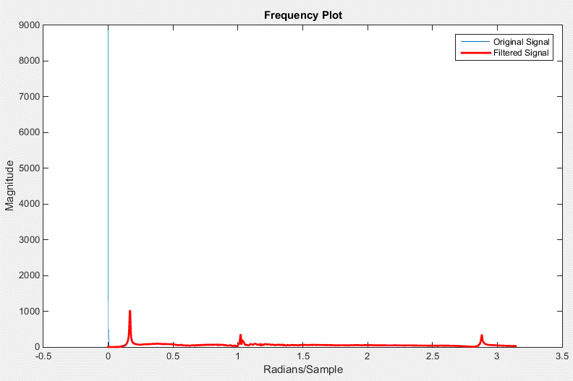
Time | Filtered Data Shiffted
0 | -48.699553901
0.00078125 | -11.068056884
0.001562499 | 5.296991782
0.002343748 | 2.5135304607
0.003124997 | -0.22607244748
0.003906247 | 4.7905937681
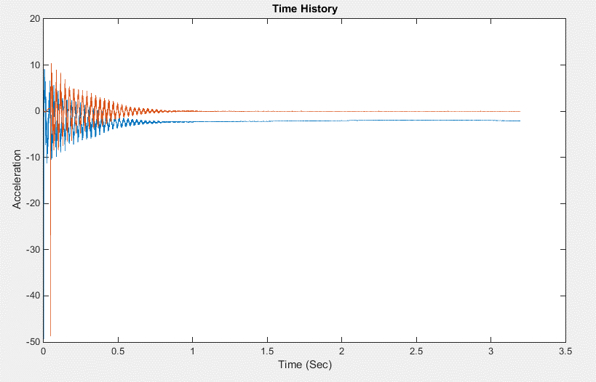
0.004687496 | 2.7488499137
0.005468745 | 10.341967419
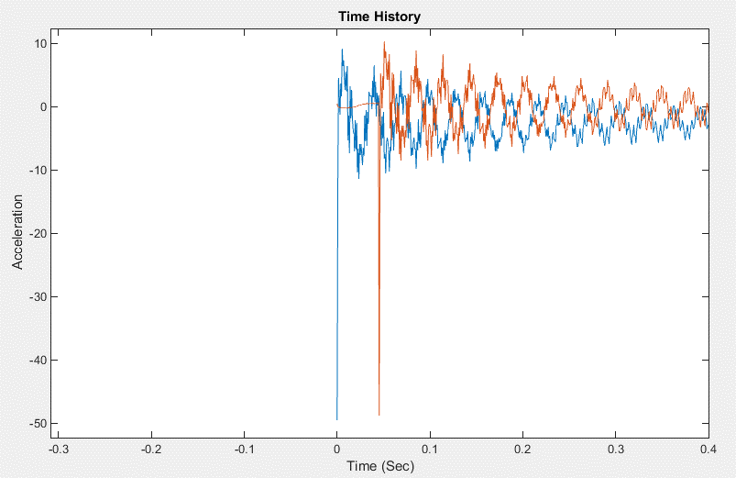
0.006249994 | 7.8107872089
0.007031244 | 8.7498924943
0.007812493 | 5.9806667776
0.008593742 | 4.3719203388
0.009374991 | 7.2026272908
0.010156241 | 4.2452322358
0.01093749 | 8.3300241513
0.011718739 | -3.2614408405
0.012499988 | 0.70503818082
0.013281238 | -5.207932379
0.014062487 | 5.4765395873
0.014843736 | 0.49775968667
0.015624986 | 5.0684123972
0.016406235 | 0.81391704263
0.017187484 | -1.0403952515
0.017968733 | -1.6190314926
0.018749986 | -4.278871748
0.019531239 | 0.58395331935
0.020312492 | -3.8530963105
0.021093745 | 0.24436150006
 | -7.4914659862
 | -3.7550497841
 | -8.4104460574
...

LOC4 Test 3-Channel2
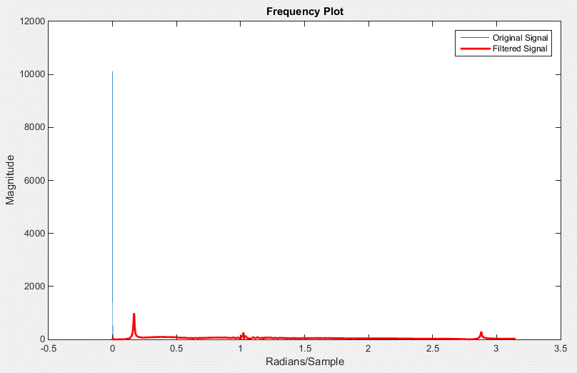
Time | Filtered Data Shiffted
0 | -30.010094165
0.00078125 | -34.074179382
0.001562499 | 3.4237127119
0.002343748 | 0.40000115805
0.003124997 | 2.8792808137
0.003906247 | 3.2623117284
0.004687496 | 6.2750113299
0.005468745 | 4.3476313248
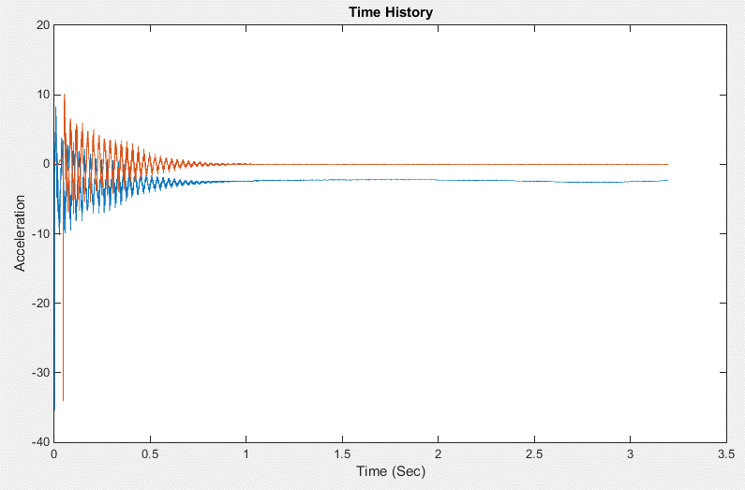
0.006249994 | 9.1275388094
0.007031244 | 4.3570700485
0.007812493 | 10.201856701
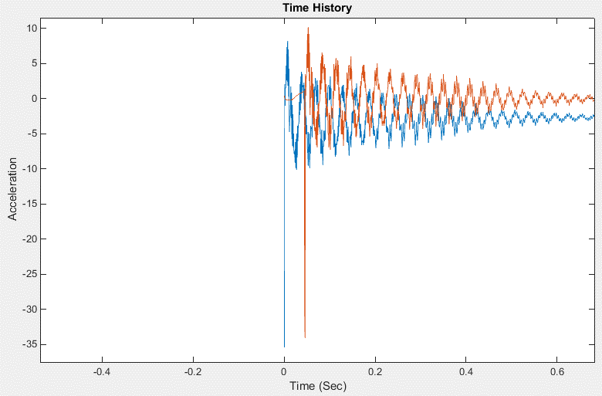
0.008593742 | 3.9083226265
0.009374991 | 9.1446969495
0.010156241 | 2.5032273931
0.01093749 | 6.6151390868
0.011718739 | -2.262544301
0.012499988 | -0.011216840285
0.013281238 | 0.14062515494
0.014062487 | 1.8823019052
0.014843736 | 4.4735009607
0.015624986 | 0.14236058782
0.016406235 | 3.789913765
0.017187484 | -2.7068776953
0.017968733 | 2.1338743226
0.018749986 | -3.6575832451
0.019531239 | 0.8642542445
0.020312492 | -3.7805528151
 | -1.8033078835
 | -4.4941632452
 | -4.6129964664
 | -4.077524998
 | -5.7810139816
 | -2.9060534816
 | -6.6023090513
...

LOC4 Test 4-Channel2
Time | Filtered Data Shiffted
0 | -38.008390083
0.00078125 | -12.249986102
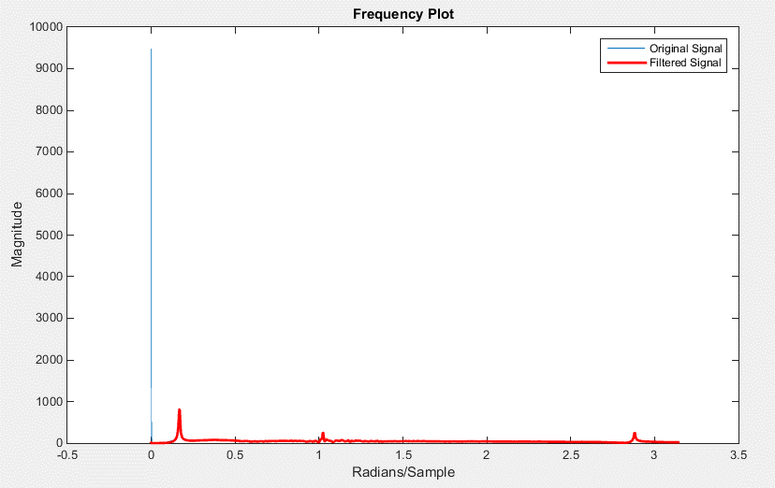
0.001562499 | 3.2547693189
0.002343748 | 1.4427619166
0.003124997 | 1.1265548907
0.003906247 | 4.6328593688
0.004687496 | 3.3250886414
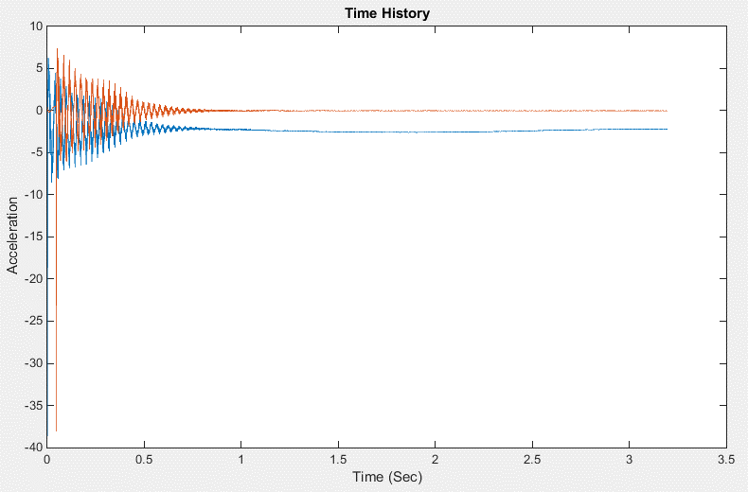
0.005468745 | 7.3765908637
0.006249994 | 6.017747654
0.007031244 | 6.6967401517
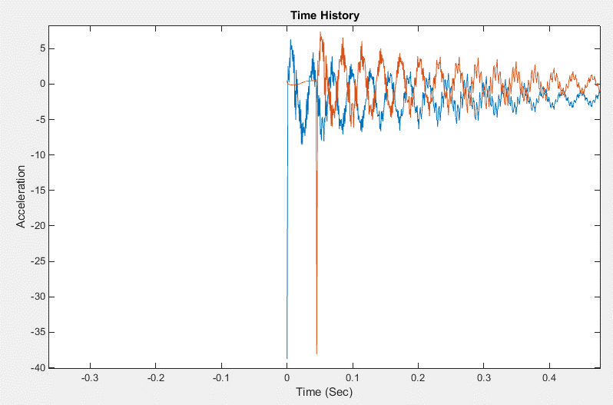
0.007812493 | 6.2104003245
0.008593742 | 4.5209433471
0.009374991 | 6.2368944563
0.010156241 | 3.1388115099
0.01093749 | 5.8895499079
0.011718739 | -1.5247748693
0.012499988 | 0.90804086635
0.013281238 | -3.1772727609
0.014062487 | 4.0107731853
0.014843736 | 0.60667181254
0.015624986 | 2.8195219869
0.016406235 | 0.24039833115
0.017187484 | -1.01752672
0.017968733 | -0.61409800765
0.018749986 | -2.8387983391
0.019531239 | 0.13004229482
0.020312492 | -3.7542956281
0.021093745 | -1.0380869585
0.021874998 | -5.9706181144
0.022656251 | -3.0148575568
0.023437504 | -5.9393348363
0.024218757 | -2.8488025905
0.02500001 | -4.3206596361
0.025781263 | -3.5205129108
 | -4.0373842553
 | -4.8485820821
 | -2.4245284157
...

LOC4 Test 5-Channel2
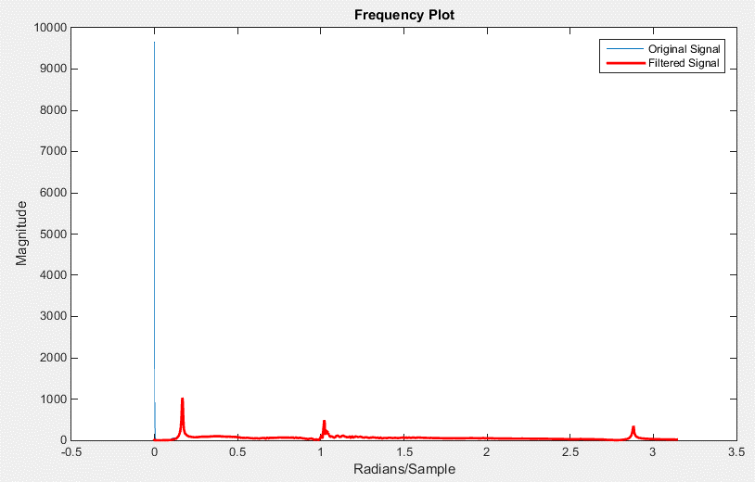
 | time | Filtered Data Shiffted
0.045312475 | 0 | -38.986644509
0.046093725 | 0.00078125 | -30.469911077
0.046874974 | 0.001562499 | 9.4937565507
0.047656223 | 0.002343748 | 2.9027811326
0.048437472 | 0.003124997 | 0.76396322222
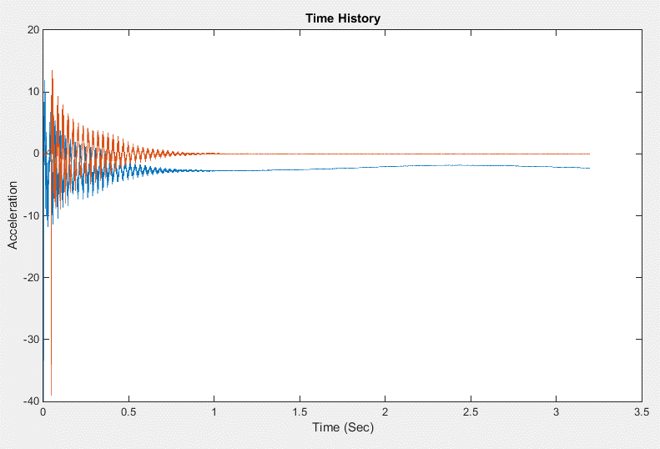
0.049218722 | 0.003906247 | -0.0087687578325
0.049999971 | 0.004687496 | 3.4696068145
0.05078122 | 0.005468745 | 7.0681693526
0.051562469 | 0.006249994 | 13.464639862
0.052343719 | 0.007031244 | 7.5384455194
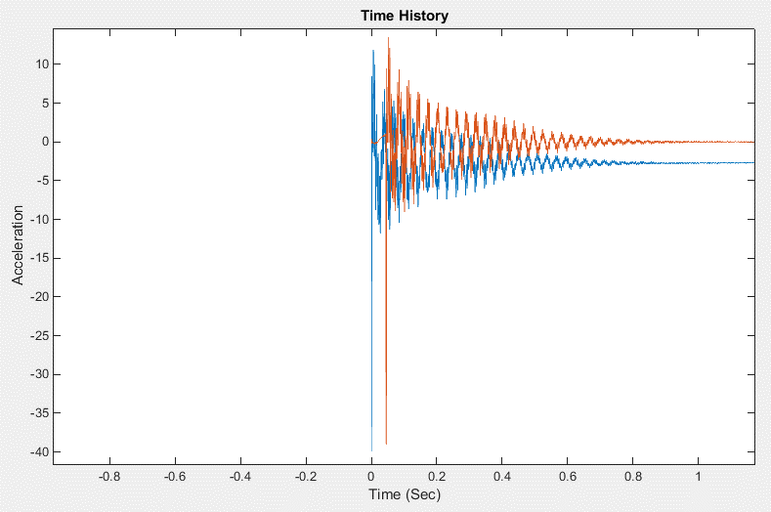
0.053124968 | 0.007812493 | 9.3040016175
0.053906217 | 0.008593742 | -0.11595750713
0.054687466 | 0.009374991 | 7.9146955625
0.055468716 | 0.010156241 | 3.1203771947
0.056249965 | 0.01093749 | 12.128032036
0.057031214 | 0.011718739 | 1.1943706094
0.057812463 | 0.012499988 | -0.23563019677
0.058593713 | 0.013281238 | -6.4808484018
0.059374962 | 0.014062487 | 0.19226713379
0.060156211 | 0.014843736 | 3.8400278699
0.060937461 | 0.015624986 | 3.1026866089
0.06171871 | 0.016406235 | 6.1827752757
0.062499959 | 0.017187484 | -3.0314815041
0.063281208 | 0.017968733 | -0.25561514918
0.064062461 | 0.018749986 | -7.2706068815
0.064843714 | 0.019531239 | 0.84273038828
0.065624967 | 0.020312492 | -2.5590177728
 | 0.021093745 | 1.5144042096
 | 0.021874998 | -5.0477131634
 | 0.022656251 | -6.3347560463
 | 0.023437504 | -7.7476743444
 |  | -6.3776814237
 |  | -1.4766907582
 |  | -3.8707426734
 |  | -1.4007351333
 |  | -8.8799614328
...

